C1.1
Back to contents
 | Chart 1.1: Public sector net borrowing revisions since November
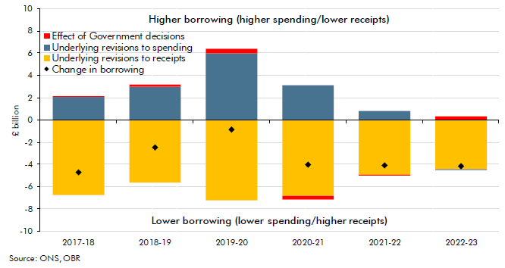

 |  | 2017-18 | 2018-19 | 2019-20 | 2020-21 | 2021-22 | 2022-23
 | Effect of Government decisions | 0.0 | 0.2 | 0.4 | -0.3 | 0.0 | 0.3
 | Underlying revisions to spending | 2.0 | 3.0 | 6.0 | 3.1 | 0.8 | -0.1
 | Underlying revisions to receipts | -6.8 | -5.6 | -7.2 | -6.8 | -4.9 | -4.4
 | Change in borrowing | -4.7 | -2.4 | -0.8 | -4.0 | -4.1 | -4.2

C1.2
Back to contents
 | Chart 1.2: Real GDP, labour input and productivity: 2017Q2 to 2017Q4

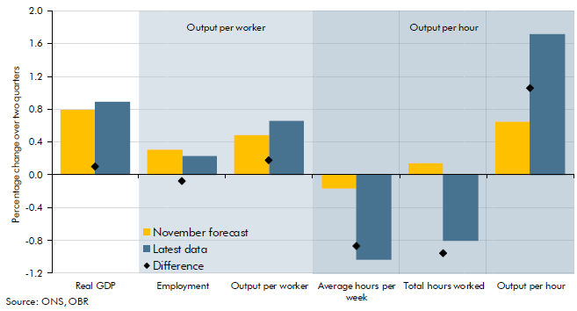

 |  | Percentage change from 2017Q2 to 2017Q4
 |  | November forecast | Latest data | Difference
 | Real GDP | 0.8 | 0.9 | 1385.0
 | Employment | 0.3 | 0.2 | 0.0
 | Output per worker | 0.5 | 0.7 | 0.0
 | Average hours per week | -0.2 | -1.0 | 0.0
 | Total hours worked | 0.1 | -0.8 | 0.0
 | Output per hour | 0.7 | 1.7 | 1.3

C1.3
Back to contents
 | Chart 1.3: Real GDP fan chart

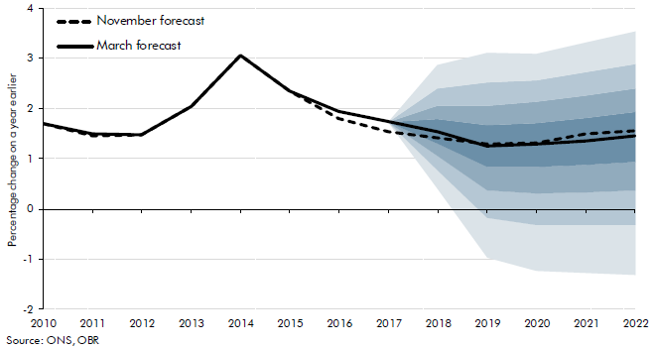

 |  | November central forecast | March central forecast | Percentile
 |  |  |  | 0.1 | 0.2 | 0.3 | 0.4 | 0.5 | 0.6 | 0.7 | 0.8 | 0.9
 | 2010 | 1.7 | 1.7
 | 2011 | 1.5 | 1.5
 | 2012 | 1.5 | 1.5
 | 2013 | 2.1 | 2.1
 | 2014 | 3.1 | 3.1
 | 2015 | 2.3 | 2.3
 | 2016 | 1.8 | 1.9
 | 2017 | 1.5 | 1.7
 | 2018 | 1.4 | 1.5 | 0.4 | 0.8 | 1.1 | 1.3 | 1.5 | 1.8 | 2.1 | 2.4 | 2.9
 | 2019 | 1.3 | 1.3 | -1.0 | -0.2 | 0.4 | 0.8 | 1.3 | 1.7 | 2.1 | 2.5 | 3.1
 | 2020 | 1.3 | 1.3 | -1.2 | -0.3 | 0.3 | 0.8 | 1.3 | 1.7 | 2.1 | 2.6 | 3.1
 | 2021 | 1.5 | 1.4 | -1.3 | -0.3 | 0.3 | 0.9 | 1.4 | 1.8 | 2.3 | 2.7 | 3.3
 | 2022 | 1.6 | 1.5 | -1.3 | -0.3 | 0.4 | 0.9 | 1.5 | 1.9 | 2.4 | 2.9 | 3.5

C1.4
Back to contents
 | Chart 1.4: Public sector net borrowing

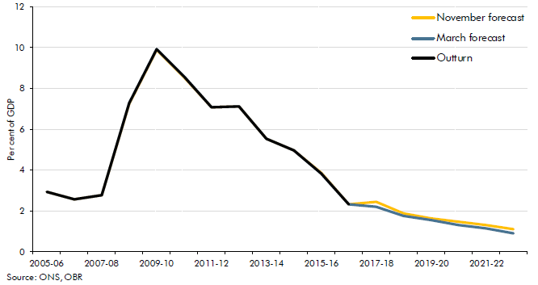

 |  | 2005-06 | 2006-07 | 2007-08 | 2008-09 | 2009-10 | 2010-11 | 2011-12 | 2012-13 | 2013-14 | 2014-15 | 2015-16 | 2016-17 | 2017-18 | 2018-19 | 2019-20 | 2020-21 | 2021-22 | 2022-23
 | November forecast | 2.9 | 2.6 | 2.8 | 7.3 | 9.9 | 8.6 | 7.1 | 7.1 | 5.5 | 5.0 | 3.8 | 2.3 | 2.4 | 1.9 | 1.6 | 1.5 | 1.3 | 1.1
 | March forecast | 2.9 | 2.6 | 2.8 | 7.3 | 9.9 | 8.6 | 7.1 | 7.1 | 5.5 | 4.9 | 3.8 | 2.3 | 2.2 | 1.8 | 1.6 | 1.3 | 1.1 | 0.9
 | Outturn | 2.9 | 2.6 | 2.8 | 7.3 | 9.9 | 8.6 | 7.1 | 7.1 | 5.5 | 4.9 | 3.8 | 2.3

C1.5
Back to contents
 | Chart 1.5: Assumed annual path of EU financial settlement payments

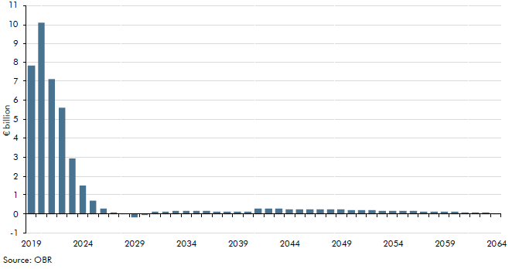

 |  | 2019 | 2020 | 2021 | 2022 | 2023 | 2024 | 2025 | 2026 | 2027 | 2028 | 2029 | 2030 | 2031 | 2032 | 2033 | 2034 | 2035 | 2036 | 2037 | 2038 | 2039 | 2040 | 2041 | 2042 | 2043 | 2044 | 2045 | 2046 | 2047 | 2048 | 2049 | 2050 | 2051 | 2052 | 2053 | 2054 | 2055 | 2056 | 2057 | 2058 | 2059 | 2060 | 2061 | 2062 | 2063 | 2064
 | Payments (total, net) | 7.8 | 10.1 | 7.1 | 5.6 | 2.9 | 1.5 | 0.7 | 0.3 | 0.1 | 0.0 | -0.2 | -0.1 | 0.1 | 0.1 | 0.1 | 0.1 | 0.1 | 0.1 | 0.1 | 0.1 | 0.1 | 0.1 | 0.3 | 0.3 | 0.3 | 0.3 | 0.3 | 0.2 | 0.2 | 0.2 | 0.2 | 0.2 | 0.2 | 0.2 | 0.2 | 0.2 | 0.2 | 0.1 | 0.1 | 0.1 | 0.1 | 0.1 | 0.1 | 0.1 | 0.1 | 0.0

Twitter chart
Back to contents
 | Assumed annual path of EU financial settlement payments, tweeted on March 13

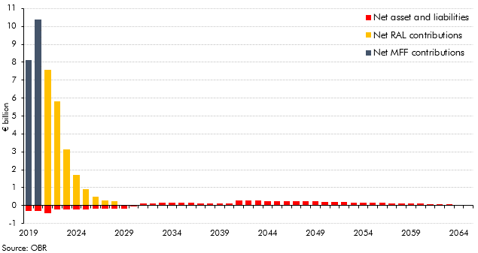

 |  | 2019 | 2020 | 2021 | 2022 | 2023 | 2024 | 2025 | 2026 | 2027 | 2028 | 2029 | 2030 | 2031 | 2032 | 2033 | 2034 | 2035 | 2036 | 2037 | 2038 | 2039 | 2040 | 2041 | 2042 | 2043 | 2044 | 2045 | 2046 | 2047 | 2048 | 2049 | 2050 | 2051 | 2052 | 2053 | 2054 | 2055 | 2056 | 2057 | 2058 | 2059 | 2060 | 2061 | 2062 | 2063 | 2064
 | Net MFF contributions (from Table B.3) | 8.1 | 10.4 | 0.0 | 0.0 | 0.0 | 0.0 | 0.0 | 0.0 | 0.0 | 0.0 | 0.0 | 0.0 | 0.0 | 0.0 | 0.0 | 0.0 | 0.0 | 0.0 | 0.0 | 0.0 | 0.0 | 0.0 | 0.0 | 0.0 | 0.0 | 0.0 | 0.0 | 0.0 | 0.0 | 0.0 | 0.0 | 0.0 | 0.0 | 0.0 | 0.0 | 0.0 | 0.0 | 0.0 | 0.0 | 0.0 | 0.0 | 0.0 | 0.0 | 0.0 | 0.0 | 0.0
 | Net RAL contributions (from Table B.4) | 0.0 | 0.0 | 7.6 | 5.8 | 3.1 | 1.7 | 0.9 | 0.5 | 0.3 | 0.2 | 0.0 | 0.0 | 0.0 | 0.0 | 0.0 | 0.0 | 0.0 | 0.0 | 0.0 | 0.0 | 0.0 | 0.0 | 0.0 | 0.0 | 0.0 | 0.0 | 0.0 | 0.0 | 0.0 | 0.0 | 0.0 | 0.0 | 0.0 | 0.0 | 0.0 | 0.0 | 0.0 | 0.0 | 0.0 | 0.0 | 0.0 | 0.0 | 0.0 | 0.0 | 0.0 | 0.0
 | Net asset and liabilities (from Chart B.2) | -0.3 | -0.3 | -0.4 | -0.2 | -0.2 | -0.2 | -0.2 | -0.2 | -0.2 | -0.2 | -0.2 | -0.1 | 0.1 | 0.1 | 0.1 | 0.1 | 0.1 | 0.1 | 0.1 | 0.1 | 0.1 | 0.1 | 0.3 | 0.3 | 0.3 | 0.3 | 0.3 | 0.2 | 0.2 | 0.2 | 0.2 | 0.2 | 0.2 | 0.2 | 0.2 | 0.2 | 0.2 | 0.1 | 0.1 | 0.1 | 0.1 | 0.1 | 0.1 | 0.1 | 0.1 | 0.0

C2.1
Back to contents
 | Chart 2.1: Alternative measures of outturn GDP growth in 2016 and 2017
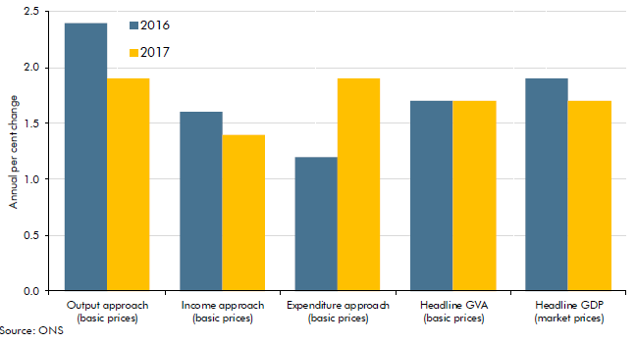

 |  | Output approach (basic prices) | Income approach (basic prices) | Expenditure approach (basic prices) | Headline GVA (basic prices) | Headline GDP (market prices)
 | 2016 | 2.4 | 1.6 | 1.2 | 1.7 | 1.9
 | 2017 | 1.9 | 1.4 | 1.9 | 1.7 | 1.7

C2.2
Back to contents
 | Chart 2.2: Cumulative real GDP growth revisions since November
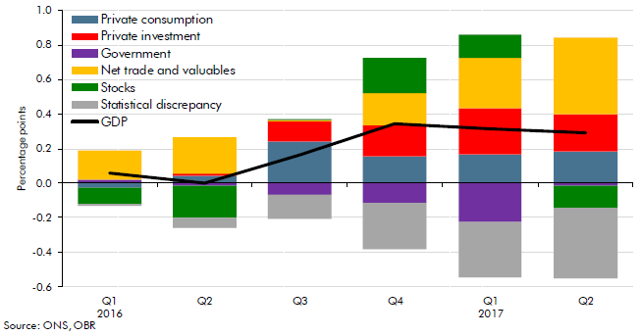

 |  | Private consumption | Government | Private investment | Net trade and valuables | Stocks | Statistical discrepancy | GDP
 | 2016Q1 | 0.0 | 0.0 | 0.0 | 0.2 | -0.1 | 0.0 | 0.1
 | 2016Q2 | 0.0 | 0.0 | 0.0 | 0.2 | -0.2 | -0.1 | 0.0
 | 2016Q3 | 0.2 | -0.1 | 0.1 | 0.0 | 0.0 | -0.1 | 0.2
 | 2016Q4 | 0.2 | -0.1 | 0.2 | 0.2 | 0.2 | -0.3 | 0.3
 | 2017Q1 | 0.2 | -0.2 | 0.3 | 0.3 | 0.1 | -0.3 | 0.3
 | 2017Q2 | 0.2 | 0.0 | 0.2 | 0.4 | -0.1 | -0.4 | 0.3

C2.3
Back to contents
 | Chart 2.3: Headline GDP growth in the UK and other G7 countries
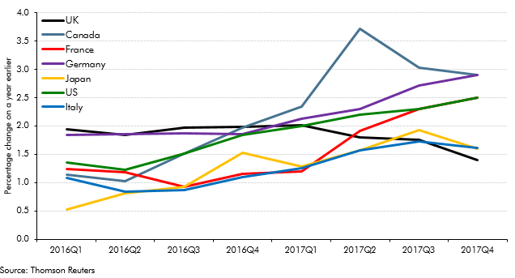

 | Correction on 13 March 2018: In the published Economic and fiscal outlook Italy was not included. We have made this correction to the chart above.

 |  | UK | Canada | France | Germany | Japan | US | Italy
 | 2016Q1 | 1.9 | 1.1 | 1.2 | 1.8 | 0.5 | 1.4 | 1.1
 | 2016Q2 | 1.8 | 1.0 | 1.2 | 1.9 | 0.8 | 1.2 | 0.8
 | 2016Q3 | 2.0 | 1.5 | 0.9 | 1.9 | 0.9 | 1.5 | 0.9
 | 2016Q4 | 2.0 | 2.0 | 1.2 | 1.9 | 1.5 | 1.8 | 1.1
 | 2017Q1 | 2.0 | 2.3 | 1.2 | 2.1 | 1.3 | 2.0 | 1.3
 | 2017Q2 | 1.8 | 3.7 | 1.9 | 2.3 | 1.6 | 2.2 | 1.6
 | 2017Q3 | 1.8 | 3.0 | 2.3 | 2.7 | 1.9 | 2.3 | 1.7
 | 2017Q4 | 1.4 | 2.9 | 2.5 | 2.9 | 1.6 | 2.5 | 1.6

C2.A
Back to contents
 | Chart 2.A: Contributions to real consumption growth between 2016Q2 and 2017Q4

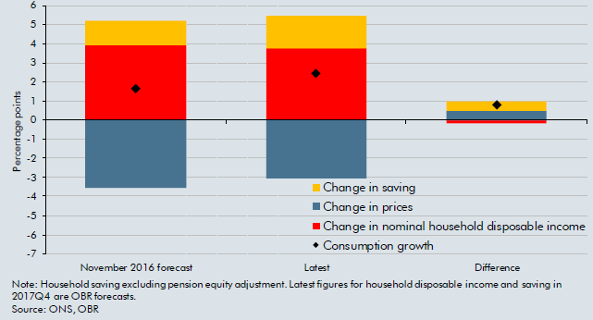

 |  | Change in saving | Change in prices | Change in nominal household disposable income | Consumption growth
 | November 2016 forecast | 1.3 | -3.6 | 3.9 | 1.6
 | Latest | 1.7 | -3.1 | 3.7 | 2.4
 | Difference | 0.5 | 0.5 | -0.2 | 0.8

C2.B
Back to contents
 | Chart 2.B: Net trade contributions to GDP growth between 2016Q2 and 2017Q4

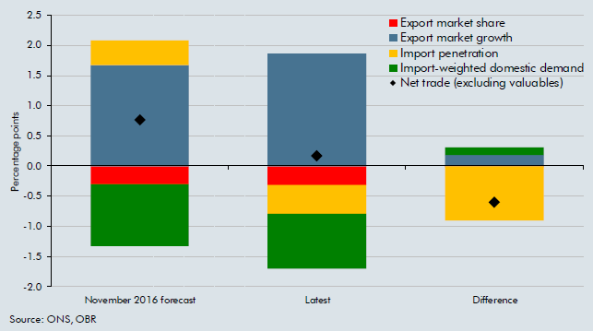

 |  | Export market share | Export market growth | Import penetration | Import-weighted domestic demand | Net trade (excluding valuables)
 | November 2016 forecast | -0.3 | 1.7 | 0.4 | -1.0 | 0.8
 | Latest | -0.3 | 1.9 | -0.5 | -0.9 | 0.2
 | Difference | 0.0 | 0.2 | -0.9 | 0.1 | -0.6

C2.4
Back to contents
 | Chart 2.4: Stock market performance since November

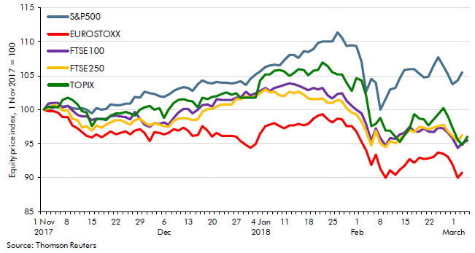

 |  | S&P500 | EUROSTOXX | FTSE100 | FTSE250 | TOPIX
 | 2017-11-01 | 100.0 | 100.0 | 100.0 | 100.0 | 100.0
 | 2017-11-02 | 100.0 | 99.8 | 100.9 | 100.3 | 100.4
 | 2017-11-03 | 100.3 | 99.8 | 101.0 | 100.7 | 100.4
 | 2017-11-06 | 100.5 | 99.6 | 101.0 | 100.5 | 100.3
 | 2017-11-07 | 100.4 | 99.0 | 100.3 | 99.9 | 101.5
 | 2017-11-08 | 100.6 | 98.9 | 100.6 | 99.9 | 101.7
 | 2017-11-09 | 100.2 | 97.7 | 99.9 | 98.7 | 101.5
 | 2017-11-10 | 100.1 | 97.2 | 99.3 | 98.5 | 100.8
 | 2017-11-13 | 100.2 | 96.7 | 99.0 | 97.3 | 99.8
 | 2017-11-14 | 100.0 | 96.2 | 99.0 | 97.6 | 99.6
 | 2017-11-15 | 99.4 | 95.9 | 98.5 | 96.9 | 97.6
 | 2017-11-16 | 100.2 | 96.4 | 98.7 | 97.6 | 98.6
 | 2017-11-17 | 100.0 | 95.9 | 98.6 | 97.4 | 98.7
 | 2017-11-20 | 100.1 | 96.3 | 98.7 | 97.8 | 98.5
 | 2017-11-21 | 100.8 | 96.8 | 99.0 | 98.1 | 99.1
 | 2017-11-22 | 100.7 | 96.4 | 99.1 | 98.5 | 99.5
 | 2017-11-23 | 100.7 | 96.6 | 99.1 | 98.4 | 99.5
 | 2017-11-24 | 100.9 | 96.9 | 99.0 | 98.1 | 99.7
 | 2017-11-27 | 100.9 | 96.4 | 98.6 | 97.8 | 99.4
 | 2017-11-28 | 101.8 | 96.9 | 99.6 | 98.5 | 99.2
 | 2017-11-29 | 101.8 | 97.1 | 98.7 | 98.7 | 100.0
 | 2017-11-30 | 102.6 | 96.6 | 97.8 | 98.2 | 100.3
 | 2017-12-01 | 102.4 | 95.4 | 97.5 | 97.7 | 100.5
 | 2017-12-04 | 102.3 | 96.7 | 98.0 | 98.1 | 100.0
 | 2017-12-05 | 101.9 | 96.6 | 97.9 | 97.8 | 100.2
 | 2017-12-06 | 101.9 | 96.3 | 98.1 | 97.5 | 98.8
 | 2017-12-07 | 102.2 | 96.6 | 97.8 | 97.5 | 100.0
 | 2017-12-08 | 102.8 | 97.1 | 98.7 | 98.3 | 101.0
 | 2017-12-11 | 103.1 | 96.9 | 99.5 | 98.7 | 101.5
 | 2017-12-12 | 103.3 | 97.4 | 100.2 | 98.7 | 101.6
 | 2017-12-13 | 103.2 | 96.9 | 100.1 | 98.7 | 101.4
 | 2017-12-14 | 102.8 | 96.2 | 99.5 | 98.4 | 101.2
 | 2017-12-15 | 103.7 | 96.3 | 100.0 | 98.6 | 100.4
 | 2017-12-18 | 104.3 | 97.6 | 100.7 | 99.6 | 101.7
 | 2017-12-19 | 104.0 | 96.9 | 100.7 | 100.1 | 101.6
 | 2017-12-20 | 103.9 | 96.1 | 100.5 | 100.1 | 101.9
 | 2017-12-21 | 104.1 | 96.6 | 101.5 | 100.5 | 102.0
 | 2017-12-22 | 104.0 | 96.1 | 101.4 | 100.8 | 102.4
 | 2017-12-25 | 104.0 | 96.1 | 101.4 | 100.8 | 102.5
 | 2017-12-26 | 103.9 | 96.1 | 101.4 | 100.8 | 102.3
 | 2017-12-27 | 104.0 | 96.0 | 101.8 | 101.5 | 102.4
 | 2017-12-28 | 104.2 | 95.3 | 101.8 | 101.5 | 101.8
 | 2017-12-29 | 103.7 | 94.8 | 102.7 | 102.0 | 101.7
 | 2018-01-02 | 104.5 | 94.4 | 102.1 | 101.7 | 101.7
 | 2018-01-03 | 105.2 | 94.9 | 102.4 | 102.0 | 101.7
 | 2018-01-04 | 105.6 | 96.5 | 102.8 | 102.4 | 104.3
 | 2018-01-05 | 106.4 | 97.6 | 103.2 | 103.0 | 105.2
 | 2018-05-08 | 106.5 | 97.8 | 102.8 | 102.6 | 105.2
 | 2018-01-09 | 106.7 | 98.0 | 103.2 | 102.7 | 105.7
 | 2018-01-10 | 106.5 | 97.6 | 103.5 | 102.1 | 105.9
 | 2018-01-11 | 107.3 | 97.2 | 103.7 | 102.0 | 105.7
 | 2018-01-12 | 108.0 | 97.7 | 103.9 | 102.6 | 105.0
 | 2018-01-15 | 108.0 | 97.7 | 103.8 | 102.5 | 105.4
 | 2018-01-16 | 107.6 | 98.0 | 103.6 | 102.7 | 106.0
 | 2018-01-17 | 108.7 | 97.7 | 103.2 | 102.2 | 105.8
 | 2018-01-18 | 108.5 | 97.9 | 102.8 | 101.7 | 105.0
 | 2018-01-19 | 109.0 | 98.7 | 103.2 | 101.6 | 105.8
 | 2018-01-22 | 109.8 | 99.1 | 103.0 | 101.6 | 105.9
 | 2018-01-23 | 110.1 | 99.3 | 103.3 | 101.7 | 107.0
 | 2018-01-24 | 110.0 | 98.5 | 102.1 | 101.0 | 106.4
 | 2018-01-25 | 110.1 | 98.2 | 101.7 | 101.0 | 105.5
 | 2018-01-26 | 111.4 | 98.6 | 102.4 | 101.4 | 105.2
 | 2018-01-29 | 110.6 | 98.5 | 102.5 | 101.2 | 105.2
 | 2018-01-30 | 109.4 | 97.5 | 101.3 | 100.2 | 104.0
 | 2018-01-31 | 109.5 | 97.6 | 100.6 | 99.6 | 102.8
 | 2018-02-01 | 109.4 | 96.8 | 100.0 | 99.3 | 104.7
 | 2018-02-02 | 107.1 | 95.3 | 99.4 | 98.2 | 104.3
 | 2018-02-05 | 102.7 | 94.1 | 98.0 | 96.9 | 102.1
 | 2018-02-06 | 104.5 | 91.8 | 95.4 | 94.8 | 97.6
 | 2018-02-07 | 104.0 | 93.4 | 97.2 | 96.9 | 97.9
 | 2018-02-08 | 100.1 | 91.3 | 95.8 | 95.1 | 98.8
 | 2018-02-09 | 101.6 | 90.0 | 94.7 | 94.5 | 96.9
 | 2018-02-12 | 103.0 | 91.1 | 95.8 | 95.3 | 96.9
 | 2018-02-13 | 103.2 | 90.4 | 95.7 | 95.0 | 96.1

C2.5
Back to contents
 | Chart 2.5: Forecasts for real GDP growth in 2018

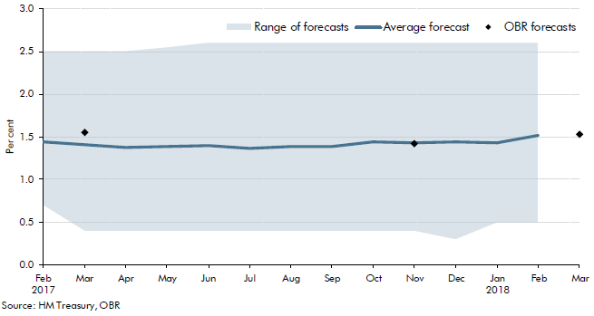

 |  | Average forecast | Highest forecast | Lowest forecast | Range of forecasts | OBR forecasts
 | Feb 2017 | 1.4 | 2.5 | 0.7 | 1.8
 | Mar | 1.4 | 2.5 | 0.4 | 2.1 | 1.6
 | Apr | 1.4 | 2.5 | 0.4 | 2.1
 | May | 1.4 | 2.6 | 0.4 | 2.2
 | Jun | 1.4 | 2.6 | 0.4 | 2.2
 | Jul | 1.4 | 2.6 | 0.4 | 2.2
 | Aug | 1.4 | 2.6 | 0.4 | 2.2
 | Sep | 1.4 | 2.6 | 0.4 | 2.2
 | Oct | 1.4 | 2.6 | 0.4 | 2.2
 | Nov | 1.4 | 2.6 | 0.4 | 2.2 | 1.4
 | Dec | 1.4 | 2.6 | 0.3 | 2.3
 | Jan 2018 | 1.4 | 2.6 | 0.5 | 2.1
 | Feb | 1.5 | 2.6 | 0.5 | 2.1
 | Mar |  |  |  |  | 1.5

C2.6
Back to contents
 | Chart 2.6: Forecasts for CPI inflation in 2018Q4

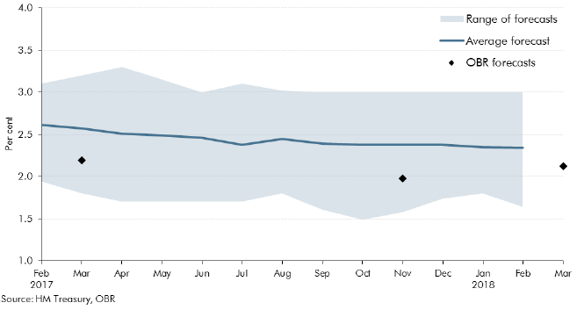

 |  | Average forecast | Highest forecast | Lowest forecast | Range of forecasts | OBR forecasts
 | Feb 2017 | 2.6 | 3.1 | 1.9 | 1.2
 | Mar | 2.6 | 3.2 | 1.8 | 1.4 | 2.2
 | Apr | 2.5 | 3.3 | 1.7 | 1.6
 | May | 2.5 | 3.2 | 1.7 | 1.5
 | Jun | 2.5 | 3.0 | 1.7 | 1.3
 | Jul | 2.4 | 3.1 | 1.7 | 1.4
 | Aug | 2.4 | 3.0 | 1.8 | 1.2
 | Sep | 2.4 | 3.0 | 1.6 | 1.4
 | Oct | 2.4 | 3.0 | 1.5 | 1.5
 | Nov | 2.4 | 3.0 | 1.6 | 1.4 | 2.0
 | Dec | 2.4 | 3 | 1.7 | 1.3
 | Jan 2018 | 2.4 | 3 | 1.8 | 1.2
 | Feb | 2.3 | 3 | 1.6 | 1.4
 | Mar |  |  |  |  | 2.1

C2.7
Back to contents
 | Chart 2.7: Forecasts for unemployment in 2018Q4

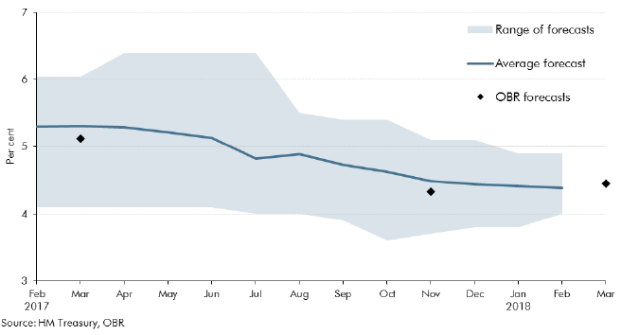

 |  | Average forecast | Highest forecast | Lowest forecast | Range of forecasts | OBR forecasts
 | Feb 2017 | 5.3 | 6.0 | 4.1 | 1.9
 | Mar | 5.3 | 6.0 | 4.1 | 1.9 | 5.1
 | Apr | 5.3 | 6.4 | 4.1 | 2.3
 | May | 5.2 | 6.4 | 4.1 | 2.3
 | Jun | 5.1 | 6.4 | 4.1 | 2.3
 | Jul | 4.8 | 6.4 | 4.0 | 2.4
 | Aug | 4.9 | 5.5 | 4.0 | 1.5
 | Sep | 4.7 | 5.4 | 3.9 | 1.5
 | Oct | 4.6 | 5.4 | 3.6 | 1.8
 | Nov | 4.5 | 5.1 | 3.7 | 1.4 | 4.3
 | Dec | 4.4 | 5.1 | 3.8 | 1.3
 | Jan 2018 | 4.4 | 4.9 | 3.8 | 1.1
 | Feb | 4.4 | 4.9 | 4 | 0.9
 | Mar |  |  |  |  | 4.5

C3.1
Back to contents
 | Chart 3.1: Range of output gap model estimates

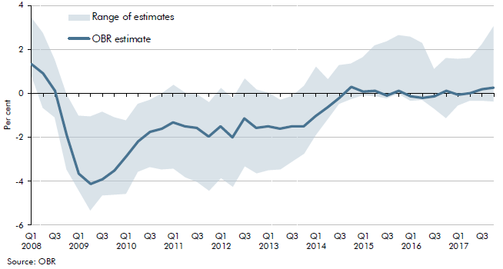

 |  | OBR estimate | Low | High | Range of estimates
 | 2008Q1 | 1.3 | 0.9 | 3.5 | 2.6
 | 2008Q2 | 0.9 | -0.7 | 2.8 | 3.4
 | 2008Q3 | 0.1 | -1.1 | 1.5 | 2.6
 | 2008Q4 | -1.9 | -3.5 | -0.1 | 3.4
 | 2009Q1 | -3.7 | -4.4 | -1.0 | 3.4
 | 2009Q2 | -4.1 | -5.3 | -1.0 | 4.3
 | 2009Q3 | -3.9 | -4.6 | -0.8 | 3.8
 | 2009Q4 | -3.5 | -4.6 | -1.1 | 3.5
 | 2010Q1 | -2.9 | -4.6 | -1.2 | 3.4
 | 2010Q2 | -2.2 | -3.6 | -0.5 | 3.1
 | 2010Q3 | -1.8 | -3.3 | -0.3 | 3.0
 | 2010Q4 | -1.6 | -3.4 | 0.0 | 3.4
 | 2011Q1 | -1.3 | -3.4 | 0.4 | 3.8
 | 2011Q2 | -1.5 | -3.8 | 0.0 | 3.8
 | 2011Q3 | -1.6 | -4.0 | 0.0 | 4.0
 | 2011Q4 | -2.0 | -4.4 | -0.4 | 4.0
 | 2012Q1 | -1.5 | -3.9 | 0.2 | 4.1
 | 2012Q2 | -2.0 | -4.2 | -0.2 | 4.0
 | 2012Q3 | -1.2 | -3.3 | 0.7 | 4.0
 | 2012Q4 | -1.6 | -3.7 | 0.2 | 3.8
 | 2013Q1 | -1.5 | -3.5 | 0.0 | 3.5
 | 2013Q2 | -1.6 | -3.5 | -0.3 | 3.1
 | 2013Q3 | -1.5 | -3.1 | -0.1 | 3.0
 | 2013Q4 | -1.5 | -2.8 | 0.3 | 3.1
 | 2014Q1 | -1.0 | -1.9 | 1.2 | 3.1
 | 2014Q2 | -0.6 | -1.2 | 0.6 | 1.8
 | 2014Q3 | -0.2 | -0.5 | 1.3 | 1.8
 | 2014Q4 | 0.3 | -0.3 | 1.4 | 1.6
 | 2015Q1 | 0.1 | -0.1 | 1.6 | 1.7
 | 2015Q2 | 0.1 | -0.1 | 2.2 | 2.3
 | 2015Q3 | -0.1 | -0.2 | 2.4 | 2.6
 | 2015Q4 | 0.1 | 0.0 | 2.7 | 2.7
 | 2016Q1 | -0.2 | -0.3 | 2.6 | 2.9
 | 2016Q2 | -0.2 | -0.3 | 2.3 | 2.6
 | 2016Q3 | -0.1 | -0.7 | 1.1 | 1.8
 | 2016Q4 | 0.1 | -1.1 | 1.6 | 2.8
 | 2017Q1 | -0.1 | -0.6 | 1.6 | 2.1
 | 2017Q2 | 0.0 | -0.3 | 1.6 | 1.9
 | 2017Q3 | 0.2 | -0.3 | 2.2 | 2.6
 | 2017Q4 | 0.3 | -0.4 | 3.1 | 3.4

C3.2
Back to contents
 | Chart 3.2: Cyclical indicators and filter-based estimates of the output gap

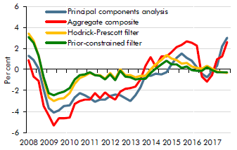

 |  | Principal components analysis | Aggregate composite | Hodrick-Prescott filter | Prior-constrained filter
 | 2008Q1 | 1.3 | 0.9 | 3.5 | 3.1
 | 2008Q2 | 0.9 | -0.7 | 2.8 | 2.5
 | 2008Q3 | 0.1 | -1.1 | 1.3 | 1.3
 | 2008Q4 | -1.9 | -3.5 | -0.9 | -0.7
 | 2009Q1 | -3.7 | -4.4 | -2.7 | -2.2
 | 2009Q2 | -4.1 | -5.3 | -3.0 | -2.4
 | 2009Q3 | -3.9 | -4.6 | -2.8 | -2.2
 | 2009Q4 | -3.5 | -4.6 | -2.7 | -2.1
 | 2010Q1 | -3.4 | -4.6 | -2.3 | -1.7
 | 2010Q2 | -2.7 | -3.3 | -1.4 | -1.0
 | 2010Q3 | -2.2 | -3.0 | -0.8 | -0.5
 | 2010Q4 | -2.5 | -2.9 | -0.6 | -0.4
 | 2011Q1 | -2.7 | -2.8 | -0.3 | -0.3
 | 2011Q2 | -3.1 | -2.2 | -0.5 | -0.5
 | 2011Q3 | -2.9 | -2.7 | -0.6 | -0.6
 | 2011Q4 | -2.9 | -2.2 | -0.9 | -0.9
 | 2012Q1 | -2.5 | -2.6 | -0.3 | -0.4
 | 2012Q2 | -2.4 | -2.9 | -0.9 | -1.0
 | 2012Q3 | -2.4 | -2.1 | 0.0 | -0.2
 | 2012Q4 | -2.7 | -1.8 | -0.5 | -0.7
 | 2013Q1 | -3.0 | -1.8 | -0.5 | -0.7
 | 2013Q2 | -2.5 | -1.7 | -0.7 | -0.9
 | 2013Q3 | -1.7 | -0.9 | -0.6 | -0.9
 | 2013Q4 | -0.6 | 0.3 | -0.6 | -0.9
 | 2014Q1 | -0.6 | 1.2 | 0.0 | -0.3
 | 2014Q2 | -0.4 | 0.3 | 0.5 | 0.1
 | 2014Q3 | -0.5 | 1.3 | 0.9 | 0.5
 | 2014Q4 | -0.3 | 1.3 | 1.4 | 0.9
 | 2015Q1 | 0.5 | 1.6 | 1.0 | 0.5
 | 2015Q2 | 1.1 | 2.2 | 0.9 | 0.5
 | 2015Q3 | 1.5 | 2.4 | 0.6 | 0.2
 | 2015Q4 | 1.1 | 2.7 | 0.6 | 0.3
 | 2016Q1 | 0.8 | 2.6 | 0.3 | 0.0
 | 2016Q2 | 0.2 | 2.3 | 0.1 | -0.1
 | 2016Q3 | -0.4 | -0.7 | 0.1 | -0.1
 | 2016Q4 | -0.7 | -1.1 | 0.4 | 0.3
 | 2017Q1 | -0.2 | -0.6 | 0.1 | 0.0
 | 2017Q2 | 0.4 | 1.0 | -0.2 | -0.2
 | 2017Q3 | 2.2 | 1.3 | -0.3 | -0.2
 | 2017Q4 | 3.1 | 2.6 | -0.3 | -0.3

C3.3
Back to contents
 | Chart 3.3: Multivariate filter-based estimates of the output gap

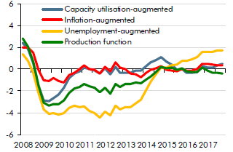

 |  | Capacity utilisation-augmented | Inflation-augmented | Unemployment-augmented | Production function
 | 2008Q1 | 2.4 | 2.0 | 1.4 | 2.8
 | 2008Q2 | 1.8 | 2.0 | 0.8 | 2.1
 | 2008Q3 | 0.6 | 1.5 | -0.3 | 0.7
 | 2008Q4 | -1.5 | -0.1 | -2.2 | -1.5
 | 2009Q1 | -2.9 | -1.0 | -3.7 | -3.0
 | 2009Q2 | -2.9 | -1.0 | -4.1 | -3.3
 | 2009Q3 | -2.6 | -0.8 | -4.1 | -3.2
 | 2009Q4 | -2.3 | -1.1 | -4.2 | -3.2
 | 2010Q1 | -1.7 | -1.2 | -4.1 | -2.9
 | 2010Q2 | -0.8 | -0.5 | -3.6 | -2.2
 | 2010Q3 | -0.4 | -0.3 | -3.3 | -1.7
 | 2010Q4 | -0.2 | 0.0 | -3.4 | -1.6
 | 2011Q1 | 0.2 | 0.4 | -3.4 | -1.3
 | 2011Q2 | 0.0 | 0.0 | -3.8 | -1.6
 | 2011Q3 | -0.1 | 0.0 | -4.0 | -1.7
 | 2011Q4 | -0.4 | -0.4 | -4.4 | -2.1
 | 2012Q1 | 0.1 | 0.2 | -3.9 | -1.7
 | 2012Q2 | -0.5 | -0.2 | -4.2 | -2.2
 | 2012Q3 | 0.2 | 0.7 | -3.3 | -1.3
 | 2012Q4 | -0.3 | 0.2 | -3.7 | -1.6
 | 2013Q1 | -0.3 | 0.0 | -3.5 | -1.4
 | 2013Q2 | -0.3 | -0.4 | -3.5 | -1.4
 | 2013Q3 | -0.1 | -0.5 | -3.1 | -1.2
 | 2013Q4 | -0.1 | -0.7 | -2.8 | -1.3
 | 2014Q1 | 0.3 | -0.3 | -1.9 | -1.0
 | 2014Q2 | 0.6 | -0.1 | -1.2 | -0.6
 | 2014Q3 | 0.8 | 0.1 | -0.5 | -0.3
 | 2014Q4 | 1.1 | 0.3 | 0.2 | 0.2
 | 2015Q1 | 0.7 | -0.1 | 0.1 | 0.1
 | 2015Q2 | 0.4 | -0.1 | 0.4 | 0.1
 | 2015Q3 | 0.0 | -0.2 | 0.4 | -0.1
 | 2015Q4 | 0.0 | 0.0 | 0.8 | 0.1
 | 2016Q1 | -0.3 | -0.1 | 0.7 | -0.2
 | 2016Q2 | -0.3 | -0.1 | 0.9 | -0.2
 | 2016Q3 | -0.3 | 0.0 | 1.1 | -0.2
 | 2016Q4 | 0.3 | 0.5 | 1.6 | 0.1
 | 2017Q1 | 0.1 | 0.5 | 1.6 | -0.1
 | 2017Q2 | 0.2 | 0.4 | 1.6 | -0.3
 | 2017Q3 | 0.4 | 0.4 | 1.7 | -0.3
 | 2017Q4 | 0.5 | 0.3 | 1.7 | -0.4

C3.4
Back to contents

 | Chart 3.4: Output gap estimates: 2018

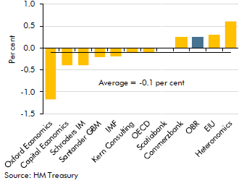

 | Oxford Economics | -1.2
 | Capital Economics | -0.4
 | Schroders IM | -0.4
 | Santander GBM | -0.2
 | IMF | -0.2
 | Kern Consulting | -0.1
 | OECD | -0.1
 | Scotiabank | 0.0
 | Commerzbank | 0.2
 | OBR | 0.3
 | EIU | 0.3
 | Heteronomics | 0.6

C3.5
Back to contents

 | Chart 3.5: Output gap estimates: 2019

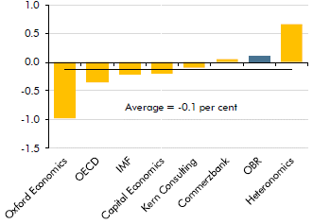

 | Oxford Economics | -1.0
 | OECD | -0.3
 | IMF | -0.2
 | Capital Economics | -0.2
 | Kern Consulting | -0.1
 | Commerzbank | 0.1
 | OBR | 0.1
 | Heteronomics | 0.7

C3.A
Back to contents
 | Chart 3.A: Equilibrium and actual unemployment rates

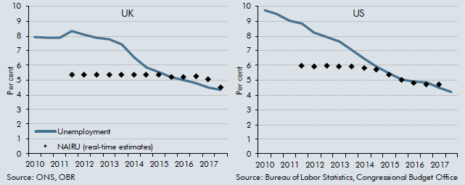

 |  | UK |  | US
 |  | Unemployment | NAIRU (real-time estimates) | Unemployment | NAIRU (real-time estimates)
 | 2010H1 | 8.0 |  | 9.7
 | 2010H2 | 7.9 |  | 9.5
 | 2011H1 | 7.9 |  | 9.1
 | 2011H2 | 8.4 | 5.4 | 8.8 | 6.0
 | 2012H1 | 8.1 | 5.4 | 8.2 | 6.0
 | 2012H2 | 7.9 | 5.4 | 7.9 | 6.0
 | 2013H1 | 7.8 | 5.4 | 7.6 | 6.0
 | 2013H2 | 7.4 | 5.4 | 7.1 | 6.0
 | 2014H1 | 6.6 | 5.4 | 6.5 | 5.9
 | 2014H2 | 5.9 | 5.4 | 5.9 | 5.7
 | 2015H1 | 5.6 | 5.4 | 5.5 | 5.4
 | 2015H2 | 5.2 | 5.2 | 5.1 | 5.1
 | 2016H1 | 5.0 | 5.2 | 4.9 | 4.8
 | 2016H2 | 4.8 | 5.3 | 4.8 | 4.7
 | 2017H1 | 4.5 | 5.1 | 4.5 | 4.7
 | 2017H2 | 4.4 | 4.5 | 4.2

C3.B
Back to contents
 | Chart 3.B: Comparing investment and productivity growth before and after the late-2000s recession

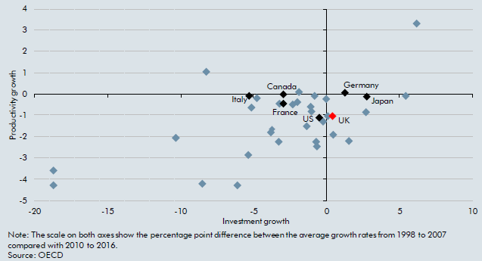

 |  | Investment growth | Productivity growth
 | Ireland | 6.2 | 3.3
 | Israel | 5.5 | -0.1
 | Japan | 2.8 | -0.1
 | Turkey | 2.8 | -0.9
 | Colombia | 1.6 | -2.2
 | Germany | 1.3 | 0.0
 | Korea | 0.5 | -1.9
 | United Kingdom | 0.4 | -1.1
 | Switzerland | 0.1 | -1.0
 | New Zealand | 0.0 | -0.3
 | Austria | -0.2 | -1.3
 | United States | -0.5 | -1.1
 | Slovak Republic | -0.6 | -2.5
 | Iceland | -0.6 | -2.3
 | Mexico | -0.8 | -0.1
 | Sweden | -1.0 | -0.8
 | Belgium | -1.1 | -0.6
 | Chile | -1.3 | -1.5
 | Denmark | -1.8 | 0.1
 | Netherlands | -1.9 | -0.4
 | Luxembourg | -2.3 | -0.5
 | Canada | -2.9 | 0.0
 | France | -2.9 | -0.5
 | Norway | -3.2 | -0.5
 | Czech Republic | -3.2 | -2.2
 | Finland | -3.7 | -1.6
 | Poland | -3.8 | -1.8
 | Australia | -4.7 | -0.2
 | Portugal | -5.1 | -0.6
 | Italy | -5.3 | -0.1
 | Hungary | -5.3 | -2.9
 | Lithuania | -6.1 | -4.3
 | Spain | -8.2 | 1.0
 | Estonia | -8.5 | -4.2
 | Slovenia | -10.3 | -2.1
 | Greece | -18.7 | -3.6
 | Latvia | -18.7 | -4.3

C3.C
Back to contents
 | Chart 3.C: Capital deepening, TFP and productivity growth

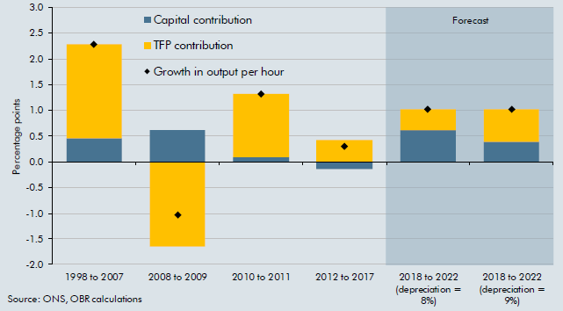

 |  | Capital contribution | TFP contribution | Growth in output per hour
 | 1998 to 2007 | 0.5 | 1.8 | 2.3
 | 2008 to 2009 | 0.6 | -1.7 | -1.0
 | 2010 to 2011 | 0.1 | 1.2 | 1.3
 | 2012 to 2017 | -0.1 | 0.4 | 0.3
 | 2018 to 2022 (depreciation = 8%) | 0.6 | 0.4 | 1.0
 | 2018 to 2022 (depreciation = 9%) | 0.4 | 0.6 | 1.0

C3.6
Back to contents
 | Chart 3.6: Bank rate

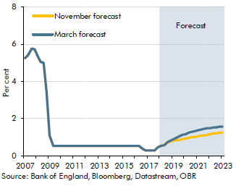

 |  | November forecast | March forecast
 | 2007Q1 | 5.2 | 5.2
 | 2007Q2 | 5.4 | 5.4
 | 2007Q3 | 5.7 | 5.7
 | 2007Q4 | 5.7 | 5.7
 | 2008Q1 | 5.4 | 5.4
 | 2008Q2 | 5.0 | 5.0
 | 2008Q3 | 5.0 | 5.0
 | 2008Q4 | 3.4 | 3.4
 | 2009Q1 | 1.1 | 1.1
 | 2009Q2 | 0.5 | 0.5
 | 2009Q3 | 0.5 | 0.5
 | 2009Q4 | 0.5 | 0.5
 | 2010Q1 | 0.5 | 0.5
 | 2010Q2 | 0.5 | 0.5
 | 2010Q3 | 0.5 | 0.5
 | 2010Q4 | 0.5 | 0.5
 | 2011Q1 | 0.5 | 0.5
 | 2011Q2 | 0.5 | 0.5
 | 2011Q3 | 0.5 | 0.5
 | 2011Q4 | 0.5 | 0.5
 | 2012Q1 | 0.5 | 0.5
 | 2012Q2 | 0.5 | 0.5
 | 2012Q3 | 0.5 | 0.5
 | 2012Q4 | 0.5 | 0.5
 | 2013Q1 | 0.5 | 0.5
 | 2013Q2 | 0.5 | 0.5
 | 2013Q3 | 0.5 | 0.5
 | 2013Q4 | 0.5 | 0.5
 | 2014Q1 | 0.5 | 0.5
 | 2014Q2 | 0.5 | 0.5
 | 2014Q3 | 0.5 | 0.5
 | 2014Q4 | 0.5 | 0.5
 | 2015Q1 | 0.5 | 0.5
 | 2015Q2 | 0.5 | 0.5
 | 2015Q3 | 0.5 | 0.5
 | 2015Q4 | 0.5 | 0.5
 | 2016Q1 | 0.5 | 0.5
 | 2016Q2 | 0.5 | 0.5
 | 2016Q3 | 0.3 | 0.3
 | 2016Q4 | 0.3 | 0.3
 | 2017Q1 | 0.3 | 0.3
 | 2017Q2 | 0.3 | 0.3
 | 2017Q3 | 0.3 | 0.3
 | 2017Q4 | 0.4 | 0.4
 | 2018Q1 | 0.5 | 0.5
 | 2018Q2 | 0.6 | 0.6
 | 2018Q3 | 0.7 | 0.7
 | 2018Q4 | 0.7 | 0.8
 | 2019Q1 | 0.8 | 0.9
 | 2019Q2 | 0.8 | 1.0
 | 2019Q3 | 0.8 | 1.0
 | 2019Q4 | 0.9 | 1.1
 | 2020Q1 | 0.9 | 1.2
 | 2020Q2 | 0.9 | 1.2
 | 2020Q3 | 1.0 | 1.3
 | 2020Q4 | 1.0 | 1.3
 | 2021Q1 | 1.0 | 1.4
 | 2021Q2 | 1.1 | 1.4
 | 2021Q3 | 1.1 | 1.4
 | 2021Q4 | 1.1 | 1.5
 | 2022Q1 | 1.1 | 1.5
 | 2022Q2 | 1.2 | 1.5
 | 2022Q3 | 1.2 | 1.5
 | 2022Q4 | 1.2 | 1.5
 | 2023Q1 | 1.2 | 1.5

C3.7
Back to contents
 | Chart 3.7: Global bond yields

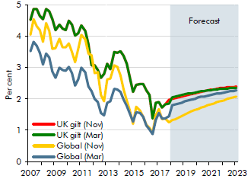

 | Note: 20-year gilts for UK, asset-weighted bond rates for global (was trade-weighted in November).

 |  | UK gilt (Nov) | Global (Nov) | UK gilt (Mar) | Global (Mar)
 | 2007Q1 | 4.5 | 4.0 | 4.5 | 3.5
 | 2007Q2 | 4.9 | 4.5 | 4.9 | 3.8
 | 2007Q3 | 4.9 | 4.3 | 4.9 | 3.7
 | 2007Q4 | 4.6 | 4.2 | 4.6 | 3.5
 | 2008Q1 | 4.5 | 3.8 | 4.5 | 3.1
 | 2008Q2 | 4.9 | 4.4 | 4.9 | 3.5
 | 2008Q3 | 4.8 | 4.2 | 4.8 | 3.3
 | 2008Q4 | 4.5 | 3.6 | 4.5 | 2.9
 | 2009Q1 | 4.2 | 3.6 | 4.2 | 2.7
 | 2009Q2 | 4.4 | 3.9 | 4.4 | 3.0
 | 2009Q3 | 4.3 | 3.6 | 4.3 | 2.9
 | 2009Q4 | 4.2 | 3.6 | 4.2 | 2.9
 | 2010Q1 | 4.5 | 3.8 | 4.5 | 3.0
 | 2010Q2 | 4.4 | 3.5 | 4.4 | 2.8
 | 2010Q3 | 4.0 | 3.2 | 4.0 | 2.4
 | 2010Q4 | 4.1 | 3.6 | 4.1 | 2.6
 | 2011Q1 | 4.3 | 4.0 | 4.3 | 3.0
 | 2011Q2 | 4.2 | 3.9 | 4.2 | 2.8
 | 2011Q3 | 3.7 | 3.5 | 3.7 | 2.4
 | 2011Q4 | 3.1 | 3.4 | 3.1 | 2.3
 | 2012Q1 | 3.1 | 2.8 | 3.1 | 2.0
 | 2012Q2 | 2.9 | 2.9 | 2.9 | 1.9
 | 2012Q3 | 2.7 | 2.1 | 2.7 | 1.6
 | 2012Q4 | 2.8 | 1.9 | 2.8 | 1.5
 | 2013Q1 | 3.1 | 2.6 | 3.1 | 1.9
 | 2013Q2 | 3.0 | 2.7 | 3.0 | 1.9
 | 2013Q3 | 3.5 | 3.1 | 3.5 | 2.3
 | 2013Q4 | 3.5 | 3.0 | 3.5 | 2.3
 | 2014Q1 | 3.5 | 2.7 | 3.5 | 2.2
 | 2014Q2 | 3.4 | 2.3 | 3.4 | 2.0
 | 2014Q3 | 3.1 | 2.0 | 3.1 | 1.8
 | 2014Q4 | 2.7 | 1.6 | 2.7 | 1.5
 | 2015Q1 | 2.2 | 1.2 | 2.2 | 1.3
 | 2015Q2 | 2.4 | 1.7 | 2.4 | 1.6
 | 2015Q3 | 2.5 | 1.6 | 2.5 | 1.5
 | 2015Q4 | 2.5 | 1.4 | 2.5 | 1.4
 | 2016Q1 | 2.3 | 1.2 | 2.3 | 1.2
 | 2016Q2 | 2.1 | 1.1 | 2.1 | 1.0
 | 2016Q3 | 1.4 | 0.9 | 1.4 | 0.9
 | 2016Q4 | 1.9 | 1.5 | 1.9 | 1.3
 | 2017Q1 | 1.9 | 1.7 | 1.9 | 1.6
 | 2017Q2 | 1.7 | 1.4 | 1.7 | 1.4
 | 2017Q3 | 1.8 | 1.4 | 1.8 | 1.4
 | 2017Q4 | 2.0 | 1.3 | 1.9 | 1.4
 | 2018Q1 | 2.0 | 1.3 | 2.1 | 1.8
 | 2018Q2 | 2.0 | 1.4 | 2.1 | 1.8
 | 2018Q3 | 2.1 | 1.4 | 2.1 | 1.9
 | 2018Q4 | 2.1 | 1.5 | 2.1 | 1.9
 | 2019Q1 | 2.1 | 1.5 | 2.1 | 1.9
 | 2019Q2 | 2.1 | 1.6 | 2.2 | 2.0
 | 2019Q3 | 2.2 | 1.6 | 2.2 | 2.0
 | 2019Q4 | 2.2 | 1.6 | 2.2 | 2.0
 | 2020Q1 | 2.2 | 1.7 | 2.2 | 2.0
 | 2020Q2 | 2.2 | 1.7 | 2.2 | 2.1
 | 2020Q3 | 2.3 | 1.8 | 2.3 | 2.1
 | 2020Q4 | 2.3 | 1.8 | 2.3 | 2.1
 | 2021Q1 | 2.3 | 1.8 | 2.3 | 2.1
 | 2021Q2 | 2.3 | 1.9 | 2.3 | 2.2
 | 2021Q3 | 2.3 | 1.9 | 2.3 | 2.2
 | 2021Q4 | 2.3 | 1.9 | 2.3 | 2.2
 | 2022Q1 | 2.4 | 2.0 | 2.3 | 2.2
 | 2022Q2 | 2.4 | 2.0 | 2.3 | 2.2
 | 2022Q3 | 2.4 | 2.0 | 2.3 | 2.2
 | 2022Q4 | 2.4 | 2.1 | 2.3 | 2.3
 | 2023Q1 | 2.4 | 2.1 | 2.4 | 2.3

C3.8
Back to contents
 | Chart 3.8: Sterling effective exchange rate assumptions

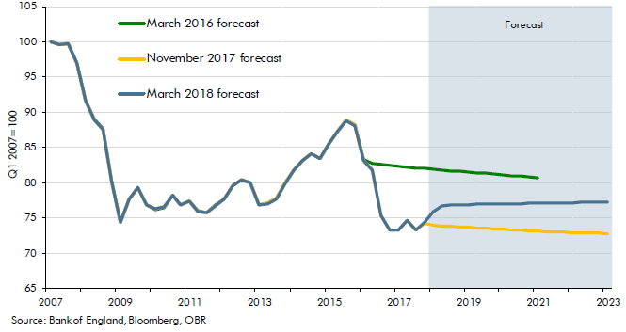

 |  | March 2016 forecast | November 2017 forecast | March 2018 forecast
 | 2007Q1 | 100.0 | 100.0 | 100.0
 | 2007Q2 | 99.5 | 99.5 | 99.5
 | 2007Q3 | 99.7 | 99.7 | 99.7
 | 2007Q4 | 97.0 | 97.0 | 97.0
 | 2008Q1 | 91.7 | 91.6 | 91.6
 | 2008Q2 | 89.0 | 88.9 | 88.9
 | 2008Q3 | 87.6 | 87.6 | 87.6
 | 2008Q4 | 80.1 | 80.1 | 80.1
 | 2009Q1 | 74.3 | 74.4 | 74.4
 | 2009Q2 | 77.7 | 77.6 | 77.6
 | 2009Q3 | 79.2 | 79.3 | 79.3
 | 2009Q4 | 76.8 | 76.9 | 76.9
 | 2010Q1 | 76.1 | 76.2 | 76.2
 | 2010Q2 | 76.4 | 76.5 | 76.5
 | 2010Q3 | 78.2 | 78.2 | 78.2
 | 2010Q4 | 76.8 | 76.8 | 76.8
 | 2011Q1 | 77.3 | 77.3 | 77.3
 | 2011Q2 | 76.0 | 75.9 | 75.9
 | 2011Q3 | 75.8 | 75.7 | 75.7
 | 2011Q4 | 76.8 | 76.7 | 76.7
 | 2012Q1 | 77.6 | 77.6 | 77.6
 | 2012Q2 | 79.5 | 79.5 | 79.5
 | 2012Q3 | 80.4 | 80.4 | 80.4
 | 2012Q4 | 79.9 | 79.9 | 79.9
 | 2013Q1 | 76.8 | 76.8 | 76.8
 | 2013Q2 | 77.0 | 77.0 | 77.0
 | 2013Q3 | 77.7 | 77.7 | 77.7
 | 2013Q4 | 80.0 | 80.0 | 79.9
 | 2014Q1 | 81.8 | 81.8 | 81.8
 | 2014Q2 | 83.1 | 83.1 | 83.1
 | 2014Q3 | 84.1 | 84.1 | 84.1
 | 2014Q4 | 83.5 | 83.5 | 83.4
 | 2015Q1 | 85.5 | 85.5 | 85.5
 | 2015Q2 | 87.3 | 87.3 | 87.2
 | 2015Q3 | 88.8 | 88.8 | 88.8
 | 2015Q4 | 88.2 | 88.2 | 88.1
 | 2016Q1 | 83.2 | 83.2 | 83.2
 | 2016Q2 | 82.7 | 81.8 | 81.8
 | 2016Q3 | 82.6 | 75.4 | 75.4
 | 2016Q4 | 82.4 | 73.2 | 73.2
 | 2017Q1 | 82.3 | 73.3 | 73.3
 | 2017Q2 | 82.2 | 74.6 | 74.6
 | 2017Q3 | 82.1 | 73.2 | 73.2
 | 2017Q4 | 82.0 | 74.2 | 74.3
 | 2018Q1 | 81.9 | 73.9 | 75.8
 | 2018Q2 | 81.8 | 73.8 | 76.7
 | 2018Q3 | 81.7 | 73.8 | 76.8
 | 2018Q4 | 81.6 | 73.7 | 76.8
 | 2019Q1 | 81.5 | 73.6 | 76.9
 | 2019Q2 | 81.4 | 73.5 | 76.9
 | 2019Q3 | 81.3 | 73.5 | 76.9
 | 2019Q4 | 81.2 | 73.4 | 76.9
 | 2020Q1 | 81.1 | 73.3 | 77.0
 | 2020Q2 | 81.0 | 73.2 | 77.0
 | 2020Q3 | 80.9 | 73.2 | 77.0
 | 2020Q4 | 80.8 | 73.1 | 77.0
 | 2021Q1 | 80.7 | 73.0 | 77.0
 | 2021Q2 |  | 73.0 | 77.1
 | 2021Q3 |  | 72.9 | 77.1
 | 2021Q4 |  | 72.9 | 77.1
 | 2022Q1 |  | 72.9 | 77.1
 | 2022Q2 |  | 72.8 | 77.2
 | 2022Q3 |  | 72.8 | 77.2
 | 2022Q4 |  | 72.8 | 77.2
 | 2023Q1 |  | 72.7 | 77.2

C3.9
Back to contents
 | Chart 3.9: Oil price assumptions

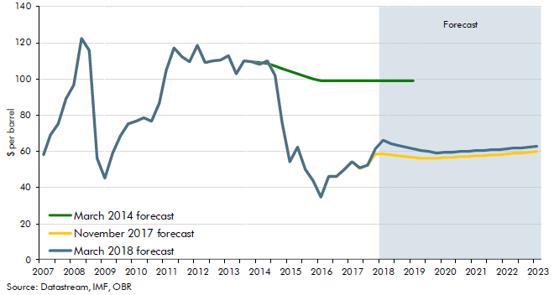

 |  | March 2014 forecast | November 2017 forecast | March 2018 forecast
 | 2007Q1 | 58.1 | 58.1 | 58.1
 | 2007Q2 | 68.7 | 68.7 | 68.7
 | 2007Q3 | 75.0 | 75.0 | 75.0
 | 2007Q4 | 89.0 | 89.0 | 89.0
 | 2008Q1 | 96.7 | 96.7 | 96.7
 | 2008Q2 | 122.5 | 122.5 | 122.5
 | 2008Q3 | 115.6 | 115.6 | 115.6
 | 2008Q4 | 55.9 | 55.9 | 55.9
 | 2009Q1 | 45.0 | 45.0 | 45.0
 | 2009Q2 | 59.1 | 59.1 | 59.1
 | 2009Q3 | 68.4 | 68.4 | 68.4
 | 2009Q4 | 75.0 | 75.0 | 75.0
 | 2010Q1 | 76.7 | 76.7 | 76.7
 | 2010Q2 | 78.7 | 78.7 | 78.7
 | 2010Q3 | 76.4 | 76.4 | 76.4
 | 2010Q4 | 86.8 | 86.8 | 86.8
 | 2011Q1 | 104.9 | 104.9 | 104.9
 | 2011Q2 | 117.1 | 117.1 | 117.1
 | 2011Q3 | 112.5 | 112.5 | 112.5
 | 2011Q4 | 109.3 | 109.3 | 109.3
 | 2012Q1 | 118.5 | 118.5 | 118.5
 | 2012Q2 | 108.9 | 108.9 | 108.9
 | 2012Q3 | 110.0 | 110.0 | 110.0
 | 2012Q4 | 110.4 | 110.4 | 110.4
 | 2013Q1 | 112.9 | 112.9 | 112.9
 | 2013Q2 | 103.0 | 103.0 | 103.0
 | 2013Q3 | 110.1 | 110.1 | 110.1
 | 2013Q4 | 109.4 | 109.4 | 109.4
 | 2014Q1 | 108.9 | 107.9 | 107.9
 | 2014Q2 | 108.6 | 109.8 | 109.8
 | 2014Q3 | 107.0 | 102.1 | 102.1
 | 2014Q4 | 105.5 | 76.0 | 76.0
 | 2015Q1 | 104.1 | 54.1 | 54.1
 | 2015Q2 | 102.7 | 62.1 | 62.1
 | 2015Q3 | 101.3 | 50.0 | 50.0
 | 2015Q4 | 100.0 | 43.4 | 43.4
 | 2016Q1 | 99.3 | 34.4 | 34.4
 | 2016Q2 | 99.3 | 46.0 | 46.0
 | 2016Q3 | 99.3 | 45.8 | 45.8
 | 2016Q4 | 99.3 | 50.1 | 50.1
 | 2017Q1 | 99.3 | 54.1 | 54.1
 | 2017Q2 | 99.3 | 50.3 | 50.8
 | 2017Q3 | 99.3 | 52.2 | 52.2
 | 2017Q4 | 99.3 | 58.4 | 61.3
 | 2018Q1 | 99.3 | 58.4 | 66.1
 | 2018Q2 | 99.3 | 57.9 | 64.3
 | 2018Q3 | 99.3 | 57.4 | 63.3
 | 2018Q4 | 99.3 | 56.9 | 62.3
 | 2019Q1 | 99.3 | 56.5 | 61.3
 | 2019Q2 |  | 56.2 | 60.4
 | 2019Q3 |  | 55.9 | 59.7
 | 2019Q4 |  | 56.2 | 58.9
 | 2020Q1 |  | 56.4 | 59.2
 | 2020Q2 |  | 56.6 | 59.4
 | 2020Q3 |  | 56.9 | 59.7
 | 2020Q4 |  | 57.1 | 59.9
 | 2021Q1 |  | 57.4 | 60.2
 | 2021Q2 |  | 57.6 | 60.4
 | 2021Q3 |  | 57.9 | 60.7
 | 2021Q4 |  | 58.2 | 61.0
 | 2022Q1 |  | 58.5 | 61.3
 | 2022Q2 |  | 58.8 | 61.6
 | 2022Q3 |  | 59.1 | 61.9
 | 2022Q4 |  | 59.4 | 62.2
 | 2023Q1 |  | 59.6 | 62.5

C3.10
Back to contents
 | Chart 3.10: Contributions to quarterly output growth

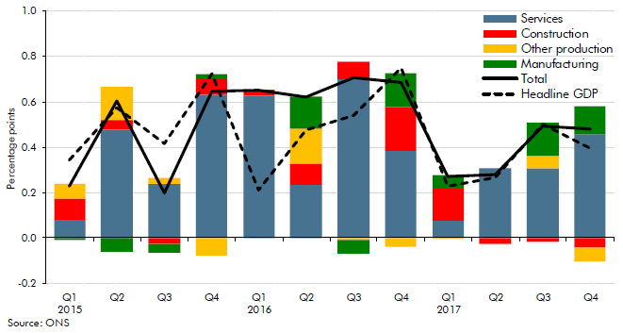

 |  | Services | Construction | Other production | Manufacturing | Total | Headline GDP
 | 2015Q1 | 0.1 | 0.1 | 0.1 | 0.0 | 0.2 | 0.3
 | 2015Q2 | 0.5 | 0.0 | 0.1 | -0.1 | 0.6 | 0.6
 | 2015Q3 | 0.2 | 0.0 | 0.0 | 0.0 | 0.2 | 0.4
 | 2015Q4 | 0.6 | 0.1 | -0.1 | 0.0 | 0.6 | 0.7
 | 2016Q1 | 0.6 | 0.0 | 0.0 | 0.0 | 0.7 | 0.2
 | 2016Q2 | 0.2 | 0.1 | 0.2 | 0.1 | 0.6 | 0.5
 | 2016Q3 | 0.7 | 0.1 | 0.0 | -0.1 | 0.7 | 0.5
 | 2016Q4 | 0.4 | 0.2 | 0.0 | 0.1 | 0.7 | 0.7
 | 2017Q1 | 0.1 | 0.1 | 0.0 | 0.1 | 0.3 | 0.2
 | 2017Q2 | 0.3 | 0.0 | 0.0 | 0.0 | 0.3 | 0.3
 | 2017Q3 | 0.3 | 0.0 | 0.1 | 0.1 | 0.5 | 0.5
 | 2017Q4 | 0.5 | 0.0 | -0.1 | 0.1 | 0.5 | 0.4

C3.11
Back to contents
 | Chart 3.11: Contributions to average quarterly GDP growth

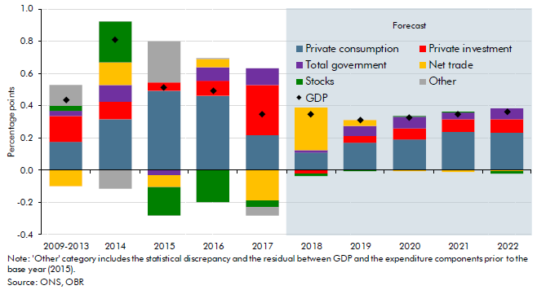

 |  | Private consumption | Private investment | Total government | Net trade | Stocks | Other | GDP
 | 2009-2013 | 0.2 | 0.2 | 0.0 | -0.1 | 0.0 | 0.1 | 0.4
 | 2014 | 0.3 | 0.1 | 0.1 | 0.1 | 0.3 | -0.1 | 0.8
 | 2015 | 0.5 | 0.1 | 0.0 | -0.1 | -0.2 | 0.3 | 0.5
 | 2016 | 0.5 | 0.1 | 0.1 | 0.1 | -0.2 | 0.0 | 0.5
 | 2017 | 0.2 | 0.3 | 0.1 | -0.2 | 0.0 | -0.1 | 0.3
 | 2018 | 0.1 | 0.0 | 0.0 | 0.3 | 0.0 | 0.0 | 0.3
 | 2019 | 0.2 | 0.0 | 0.1 | 0.0 | 0.0 | 0.0 | 0.3
 | 2020 | 0.2 | 0.1 | 0.1 | 0.0 | 0.0 | 0.0 | 0.3
 | 2021 | 0.2 | 0.1 | 0.0 | 0.0 | 0.0 | 0.0 | 0.3
 | 2022 | 0.2 | 0.1 | 0.1 | 0.0 | 0.0 | 0.0 | 0.4

C3.12
Back to contents
 | Chart 3.12: The output gap

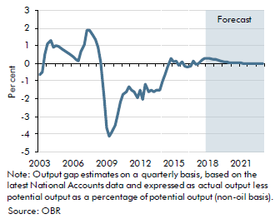

 |  | November forecast | March forecast
 | 2003Q1 | -0.5 | -0.6
 | 2003Q2 | -0.3 | -0.5
 | 2003Q3 | 0.7 | 0.5
 | 2003Q4 | 1.2 | 1.1
 | 2004Q1 | 1.4 | 1.3
 | 2004Q2 | 1.0 | 0.9
 | 2004Q3 | 1.1 | 1.0
 | 2004Q4 | 1.1 | 0.9
 | 2005Q1 | 0.9 | 0.8
 | 2005Q2 | 0.8 | 0.7
 | 2005Q3 | 0.8 | 0.6
 | 2005Q4 | 0.7 | 0.5
 | 2006Q1 | 0.6 | 0.4
 | 2006Q2 | 0.4 | 0.3
 | 2006Q3 | 0.3 | 0.2
 | 2006Q4 | 0.8 | 0.7
 | 2007Q1 | 1.2 | 1.0
 | 2007Q2 | 2.0 | 1.9
 | 2007Q3 | 2.0 | 1.9
 | 2007Q4 | 1.8 | 1.6
 | 2008Q1 | 1.5 | 1.3
 | 2008Q2 | 1.0 | 0.9
 | 2008Q3 | 0.3 | 0.1
 | 2008Q4 | -1.8 | -1.9
 | 2009Q1 | -3.6 | -3.7
 | 2009Q2 | -4.0 | -4.1
 | 2009Q3 | -3.8 | -3.9
 | 2009Q4 | -3.4 | -3.5
 | 2010Q1 | -2.9 | -2.9
 | 2010Q2 | -2.2 | -2.2
 | 2010Q3 | -1.8 | -1.8
 | 2010Q4 | -1.6 | -1.6
 | 2011Q1 | -1.3 | -1.3
 | 2011Q2 | -1.5 | -1.5
 | 2011Q3 | -1.6 | -1.6
 | 2011Q4 | -2.0 | -2.0
 | 2012Q1 | -1.5 | -1.5
 | 2012Q2 | -2.0 | -2.0
 | 2012Q3 | -1.2 | -1.2
 | 2012Q4 | -1.6 | -1.6
 | 2013Q1 | -1.5 | -1.5
 | 2013Q2 | -1.6 | -1.6
 | 2013Q3 | -1.5 | -1.5
 | 2013Q4 | -1.5 | -1.5
 | 2014Q1 | -1.0 | -1.0
 | 2014Q2 | -0.6 | -0.6
 | 2014Q3 | -0.2 | -0.2
 | 2014Q4 | 0.3 | 0.3
 | 2015Q1 | 0.1 | 0.1
 | 2015Q2 | 0.1 | 0.1
 | 2015Q3 | -0.1 | -0.1
 | 2015Q4 | 0.1 | 0.1
 | 2016Q1 | -0.2 | -0.2
 | 2016Q2 | -0.2 | -0.2
 | 2016Q3 | -0.3 | -0.1
 | 2016Q4 | -0.1 | 0.1
 | 2017Q1 | -0.5 | -0.1
 | 2017Q2 | -0.3 | 0.0
 | 2017Q3 | -0.1 | 0.2
 | 2017Q4 | 0.1 | 0.3
 | 2018Q1 | 0.0 | 0.3
 | 2018Q2 | 0.0 | 0.3
 | 2018Q3 | -0.1 | 0.3
 | 2018Q4 | -0.2 | 0.2
 | 2019Q1 | -0.2 | 0.2
 | 2019Q2 | -0.2 | 0.1
 | 2019Q3 | -0.2 | 0.1
 | 2019Q4 | -0.2 | 0.1
 | 2020Q1 | -0.2 | 0.1
 | 2020Q2 | -0.2 | 0.0
 | 2020Q3 | -0.2 | 0.0
 | 2020Q4 | -0.2 | 0.0
 | 2021Q1 | -0.2 | 0.0
 | 2021Q2 | -0.1 | 0.0
 | 2021Q3 | -0.1 | 0.0
 | 2021Q4 | -0.1 | 0.0
 | 2022Q1 | -0.1 | 0.0
 | 2022Q2 | 0.0 | 0.0
 | 2022Q3 | 0.0 | 0.0
 | 2022Q4 | 0.0 | 0.0
 | 2023Q1 | 0.0 | 0.0

C3.13
Back to contents
 | Chart 3.13: Actual and potential output

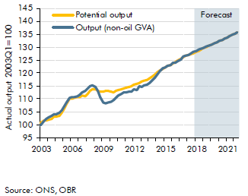

 |  | Output (non-oil GVA) | Potential output
 | 2003Q1 | 100.0 | 100.6
 | 2003Q2 | 101.3 | 101.7
 | 2003Q3 | 102.2 | 101.6
 | 2003Q4 | 103.0 | 101.9
 | 2004Q1 | 103.6 | 102.3
 | 2004Q2 | 104.0 | 103.1
 | 2004Q3 | 104.2 | 103.2
 | 2004Q4 | 104.6 | 103.6
 | 2005Q1 | 105.7 | 104.8
 | 2005Q2 | 107.0 | 106.2
 | 2005Q3 | 108.6 | 107.9
 | 2005Q4 | 110.6 | 110.0
 | 2006Q1 | 110.6 | 110.2
 | 2006Q2 | 110.8 | 110.5
 | 2006Q3 | 111.0 | 110.8
 | 2006Q4 | 111.5 | 110.8
 | 2007Q1 | 112.6 | 111.4
 | 2007Q2 | 113.2 | 111.1
 | 2007Q3 | 113.9 | 111.8
 | 2007Q4 | 114.8 | 113.0
 | 2008Q1 | 115.4 | 113.9
 | 2008Q2 | 114.7 | 113.7
 | 2008Q3 | 113.1 | 113.0
 | 2008Q4 | 110.6 | 112.8
 | 2009Q1 | 108.7 | 112.9
 | 2009Q2 | 108.4 | 113.1
 | 2009Q3 | 108.6 | 113.0
 | 2009Q4 | 108.8 | 112.8
 | 2010Q1 | 109.4 | 112.7
 | 2010Q2 | 110.6 | 113.0
 | 2010Q3 | 111.4 | 113.4
 | 2010Q4 | 111.8 | 113.7
 | 2011Q1 | 112.4 | 113.9
 | 2011Q2 | 112.5 | 114.2
 | 2011Q3 | 112.8 | 114.6
 | 2011Q4 | 112.7 | 115.0
 | 2012Q1 | 113.7 | 115.4
 | 2012Q2 | 113.5 | 115.8
 | 2012Q3 | 114.9 | 116.3
 | 2012Q4 | 114.8 | 116.6
 | 2013Q1 | 115.2 | 117.0
 | 2013Q2 | 115.6 | 117.4
 | 2013Q3 | 116.3 | 118.0
 | 2013Q4 | 116.9 | 118.7
 | 2014Q1 | 118.3 | 119.5
 | 2014Q2 | 119.5 | 120.3
 | 2014Q3 | 120.7 | 121.0
 | 2014Q4 | 122.0 | 121.6
 | 2015Q1 | 122.2 | 122.2
 | 2015Q2 | 122.8 | 122.7
 | 2015Q3 | 123.1 | 123.2
 | 2015Q4 | 123.9 | 123.8
 | 2016Q1 | 124.1 | 124.3
 | 2016Q2 | 124.7 | 125.0
 | 2016Q3 | 125.3 | 125.4
 | 2016Q4 | 126.4 | 126.2
 | 2017Q1 | 126.6 | 126.7
 | 2017Q2 | 126.9 | 126.9
 | 2017Q3 | 127.5 | 127.3
 | 2017Q4 | 128.1 | 127.8
 | 2018Q1 | 128.6 | 128.2
 | 2018Q2 | 129.0 | 128.7
 | 2018Q3 | 129.5 | 129.1
 | 2018Q4 | 129.9 | 129.6
 | 2019Q1 | 130.3 | 130.1
 | 2019Q2 | 130.7 | 130.5
 | 2019Q3 | 131.1 | 131.0
 | 2019Q4 | 131.5 | 131.4
 | 2020Q1 | 132.0 | 131.9
 | 2020Q2 | 132.4 | 132.4
 | 2020Q3 | 132.9 | 132.8
 | 2020Q4 | 133.3 | 133.3
 | 2021Q1 | 133.8 | 133.8
 | 2021Q2 | 134.3 | 134.3
 | 2021Q3 | 134.8 | 134.8
 | 2021Q4 | 135.3 | 135.3
 | 2022Q1 | 135.8 | 135.8
 | 2022Q2 | 136.3 | 136.3
 | 2022Q3 | 136.8 | 136.8
 | 2022Q4 | 137.3 | 137.3
 | 2023Q1 | 137.8 | 137.8

C3.14
Back to contents
 | Chart 3.14: Real GDP growth fan chart

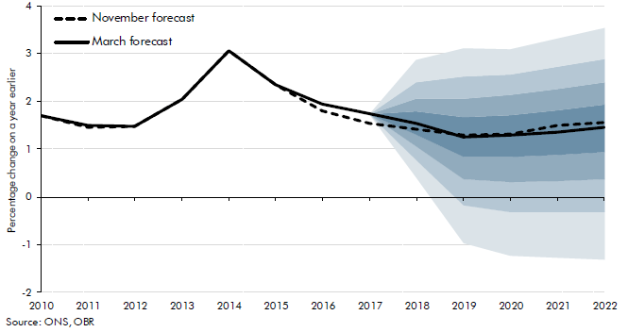

 |  | November central forecast | March central forecast | Percentile
 |  |  |  | 0.1 | 0.2 | 0.3 | 0.4 | 0.5 | 0.6 | 0.7 | 0.8 | 0.9
 | 2010 | 1.7 | 1.7
 | 2011 | 1.5 | 1.5
 | 2012 | 1.5 | 1.5
 | 2013 | 2.1 | 2.1
 | 2014 | 3.1 | 3.1
 | 2015 | 2.3 | 2.3
 | 2016 | 1.8 | 1.9
 | 2017 | 1.5 | 1.7
 | 2018 | 1.4 | 1.5 | 0.4 | 0.8 | 1.1 | 1.3 | 1.5 | 1.8 | 2.1 | 2.4 | 2.9
 | 2019 | 1.3 | 1.3 | -1.0 | -0.2 | 0.4 | 0.8 | 1.3 | 1.7 | 2.1 | 2.5 | 3.1
 | 2020 | 1.3 | 1.3 | -1.2 | -0.3 | 0.3 | 0.8 | 1.3 | 1.7 | 2.1 | 2.6 | 3.1
 | 2021 | 1.5 | 1.4 | -1.3 | -0.3 | 0.3 | 0.9 | 1.4 | 1.8 | 2.3 | 2.7 | 3.3
 | 2022 | 1.6 | 1.5 | -1.3 | -0.3 | 0.4 | 0.9 | 1.5 | 1.9 | 2.4 | 2.9 | 3.5

C3.15
Back to contents
 | Chart 3.15: CPI inflation fan chart

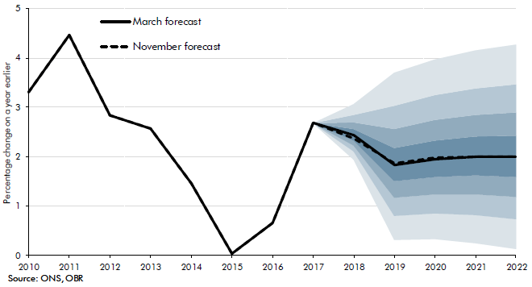

 |  | November central forecast | March central forecast | Percentile
 |  |  |  | 0.1 | 0.2 | 0.3 | 0.4 | 0.5 | 0.6 | 0.7 | 0.8 | 0.9
 | 2010 | 3.3 | 3.3
 | 2011 | 4.5 | 4.5
 | 2012 | 2.8 | 2.8
 | 2013 | 2.6 | 2.6
 | 2014 | 1.5 | 1.5
 | 2015 | 0.0 | 0.0
 | 2016 | 0.7 | 0.7
 | 2017 | 2.7 | 2.7
 | 2018 | 2.4 | 2.4 | 1.9 | 2.1 | 2.2 | 2.3 | 2.4 | 2.5 | 2.6 | 2.8 | 3.0
 | 2019 | 1.9 | 1.8 | 0.3 | 0.8 | 1.2 | 1.5 | 1.8 | 2.1 | 2.5 | 3.0 | 3.7
 | 2020 | 2.0 | 1.9 | 0.3 | 0.8 | 1.2 | 1.6 | 1.9 | 2.4 | 2.8 | 3.3 | 4.0
 | 2021 | 2.0 | 2.0 | 0.2 | 0.8 | 1.2 | 1.6 | 2.0 | 2.4 | 2.8 | 3.3 | 4.1
 | 2022 | 2.0 | 2.0 | 0.1 | 0.7 | 1.2 | 1.6 | 2.0 | 2.4 | 2.9 | 3.5 | 4.3

C3.16
Back to contents
 | Chart 3.16: GDP deflator

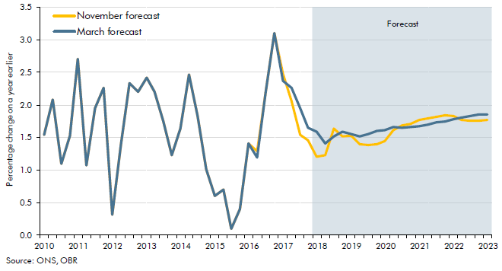

 |  | November forecast | March forecast
 | 2010Q1 | 1.5 | 1.5
 | 2010Q2 | 2.1 | 2.1
 | 2010Q3 | 1.1 | 1.1
 | 2010Q4 | 1.5 | 1.5
 | 2011Q1 | 2.7 | 2.7
 | 2011Q2 | 1.1 | 1.1
 | 2011Q3 | 1.9 | 1.9
 | 2011Q4 | 2.3 | 2.3
 | 2012Q1 | 0.3 | 0.3
 | 2012Q2 | 1.4 | 1.4
 | 2012Q3 | 2.3 | 2.3
 | 2012Q4 | 2.2 | 2.2
 | 2013Q1 | 2.4 | 2.4
 | 2013Q2 | 2.2 | 2.2
 | 2013Q3 | 1.8 | 1.8
 | 2013Q4 | 1.2 | 1.2
 | 2014Q1 | 1.6 | 1.6
 | 2014Q2 | 2.5 | 2.5
 | 2014Q3 | 1.8 | 1.8
 | 2014Q4 | 1.0 | 1.0
 | 2015Q1 | 0.6 | 0.6
 | 2015Q2 | 0.7 | 0.7
 | 2015Q3 | 0.1 | 0.1
 | 2015Q4 | 0.4 | 0.4
 | 2016Q1 | 1.4 | 1.4
 | 2016Q2 | 1.3 | 1.2
 | 2016Q3 | 2.2 | 2.2
 | 2016Q4 | 3.1 | 3.1
 | 2017Q1 | 2.5 | 2.4
 | 2017Q2 | 2.1 | 2.3
 | 2017Q3 | 1.5 | 2.0
 | 2017Q4 | 1.5 | 1.7
 | 2018Q1 | 1.2 | 1.6
 | 2018Q2 | 1.2 | 1.4
 | 2018Q3 | 1.6 | 1.5
 | 2018Q4 | 1.5 | 1.6
 | 2019Q1 | 1.5 | 1.6
 | 2019Q2 | 1.4 | 1.5
 | 2019Q3 | 1.4 | 1.6
 | 2019Q4 | 1.4 | 1.6
 | 2020Q1 | 1.4 | 1.6
 | 2020Q2 | 1.6 | 1.7
 | 2020Q3 | 1.7 | 1.6
 | 2020Q4 | 1.7 | 1.7
 | 2021Q1 | 1.8 | 1.7
 | 2021Q2 | 1.8 | 1.7
 | 2021Q3 | 1.8 | 1.7
 | 2021Q4 | 1.8 | 1.7
 | 2022Q1 | 1.8 | 1.8
 | 2022Q2 | 1.8 | 1.8
 | 2022Q3 | 1.8 | 1.8
 | 2022Q4 | 1.8 | 1.9
 | 2023Q1 | 1.8 | 1.9

C3.17
Back to contents
 | Chart 3.17: Nominal GDP growth

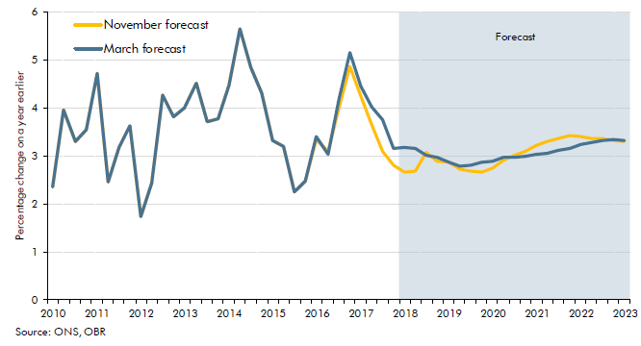

 |  | November forecast | March forecast
 | 2010Q1 | 2.4 | 2.4
 | 2010Q2 | 4.0 | 4.0
 | 2010Q3 | 3.3 | 3.3
 | 2010Q4 | 3.6 | 3.6
 | 2011Q1 | 4.7 | 4.7
 | 2011Q2 | 2.5 | 2.5
 | 2011Q3 | 3.2 | 3.2
 | 2011Q4 | 3.6 | 3.6
 | 2012Q1 | 1.7 | 1.7
 | 2012Q2 | 2.4 | 2.4
 | 2012Q3 | 4.3 | 4.3
 | 2012Q4 | 3.8 | 3.8
 | 2013Q1 | 4.0 | 4.0
 | 2013Q2 | 4.5 | 4.5
 | 2013Q3 | 3.7 | 3.7
 | 2013Q4 | 3.8 | 3.8
 | 2014Q1 | 4.5 | 4.5
 | 2014Q2 | 5.7 | 5.7
 | 2014Q3 | 4.9 | 4.9
 | 2014Q4 | 4.3 | 4.3
 | 2015Q1 | 3.3 | 3.3
 | 2015Q2 | 3.2 | 3.2
 | 2015Q3 | 2.3 | 2.3
 | 2015Q4 | 2.5 | 2.5
 | 2016Q1 | 3.3 | 3.4
 | 2016Q2 | 3.1 | 3.0
 | 2016Q3 | 4.0 | 4.2
 | 2016Q4 | 4.9 | 5.2
 | 2017Q1 | 4.3 | 4.5
 | 2017Q2 | 3.7 | 4.0
 | 2017Q3 | 3.1 | 3.8
 | 2017Q4 | 2.8 | 3.2
 | 2018Q1 | 2.7 | 3.2
 | 2018Q2 | 2.7 | 3.1
 | 2018Q3 | 3.1 | 3.0
 | 2018Q4 | 2.9 | 3.0
 | 2019Q1 | 2.9 | 2.9
 | 2019Q2 | 2.7 | 2.8
 | 2019Q3 | 2.7 | 2.8
 | 2019Q4 | 2.7 | 2.9
 | 2020Q1 | 2.7 | 2.9
 | 2020Q2 | 2.9 | 3.0
 | 2020Q3 | 3.0 | 3.0
 | 2020Q4 | 3.1 | 3.0
 | 2021Q1 | 3.2 | 3.0
 | 2021Q2 | 3.3 | 3.1
 | 2021Q3 | 3.4 | 3.1
 | 2021Q4 | 3.4 | 3.2
 | 2022Q1 | 3.4 | 3.2
 | 2022Q2 | 3.4 | 3.3
 | 2022Q3 | 3.4 | 3.3
 | 2022Q4 | 3.3 | 3.3
 | 2023Q1 | 3.3 | 3.3

C3.18
Back to contents
 | Chart 3.18: Successive forecasts for productivity growth

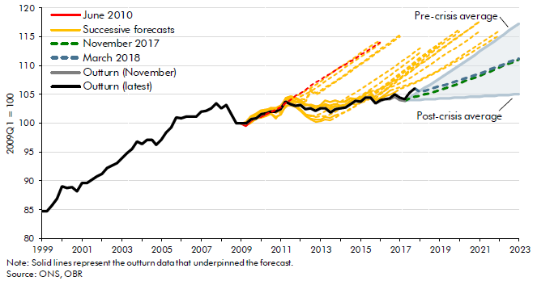

 |  | 1999Q1 | 1999Q2 | 1999Q3 | 1999Q4 | 2000Q1 | 2000Q2 | 2000Q3 | 2000Q4 | 2001Q1 | 2001Q2 | 2001Q3 | 2001Q4 | 2002Q1 | 2002Q2 | 2002Q3 | 2002Q4 | 2003Q1 | 2003Q2 | 2003Q3 | 2003Q4 | 2004Q1 | 2004Q2 | 2004Q3 | 2004Q4 | 2005Q1 | 2005Q2 | 2005Q3 | 2005Q4 | 2006Q1 | 2006Q2 | 2006Q3 | 2006Q4 | 2007Q1 | 2007Q2 | 2007Q3 | 2007Q4 | 2008Q1 | 2008Q2 | 2008Q3 | 2008Q4 | 2009Q1 | 2009Q2 | 2009Q3 | 2009Q4 | 2010Q1 | 2010Q2 | 2010Q3 | 2010Q4 | 2011Q1 | 2011Q2 | 2011Q3 | 2011Q4 | 2012Q1 | 2012Q2 | 2012Q3 | 2012Q4 | 2013Q1 | 2013Q2 | 2013Q3 | 2013Q4 | 2014Q1 | 2014Q2 | 2014Q3 | 2014Q4 | 2015Q1 | 2015Q2 | 2015Q3 | 2015Q4 | 2016Q1 | 2016Q2 | 2016Q3 | 2016Q4 | 2017Q1 | 2017Q2 | 2017Q3 | 2017Q4 | 2018Q1 | 2018Q2 | 2018Q3 | 2018Q4 | 2019Q1 | 2019Q2 | 2019Q3 | 2019Q4 | 2020Q1 | 2020Q2 | 2020Q3 | 2020Q4 | 2021Q1 | 2021Q2 | 2021Q3 | 2021Q4 | 2022Q1 | 2022Q2 | 2022Q3 | 2022Q4 | 2023Q1
 | June 2010 |  |  |  |  |  |  |  |  |  |  |  |  |  |  |  |  |  |  |  |  |  |  |  |  |  |  |  |  |  |  |  |  |  |  |  |  |  |  |  |  |  |  |  |  |  | 101.5 | 101.9 | 102.4 | 102.8 | 103.5 | 104.2 | 104.8 | 105.3 | 105.9 | 106.5 | 107.1 | 107.6 | 108.2 | 108.7 | 109.1 | 109.7 | 110.2 | 110.7 | 111.3 | 111.9 | 112.4 | 113.0 | 113.5 | 114.1
 | November 2010 |  |  |  |  |  |  |  |  |  |  |  |  |  |  |  |  |  |  |  |  |  |  |  |  |  |  |  |  |  |  |  |  |  |  |  |  |  |  |  |  |  |  |  |  |  |  | 101.7 | 102.5 | 102.7 | 103.3 | 103.9 | 104.6 | 105.1 | 105.7 | 106.2 | 106.7 | 107.3 | 107.9 | 108.6 | 109.1 | 109.8 | 110.3 | 110.9 | 111.5 | 112.2 | 112.7 | 113.3 | 113.9 | 114.4
 | March 2011 |  |  |  |  |  |  |  |  |  |  |  |  |  |  |  |  |  |  |  |  |  |  |  |  |  |  |  |  |  |  |  |  |  |  |  |  |  |  |  |  |  |  |  |  |  |  |  | 100.8 | 102.1 | 102.8 | 103.4 | 104.1 | 104.6 | 105.1 | 105.6 | 106.1 | 106.7 | 107.3 | 107.9 | 108.4 | 109.1 | 109.7 | 110.3 | 110.9 | 111.5 | 112.1 | 112.7 | 113.3 | 113.9
 | November 2011 |  |  |  |  |  |  |  |  |  |  |  |  |  |  |  |  |  |  |  |  |  |  |  |  |  |  |  |  |  |  |  |  |  |  |  |  |  |  |  |  |  |  |  |  |  |  |  |  |  |  | 104.0 | 103.9 | 103.9 | 103.9 | 105.6 | 105.0 | 105.4 | 106.0 | 106.5 | 107.1 | 107.7 | 108.3 | 108.9 | 109.6 | 110.2 | 110.8 | 111.4 | 112.0 | 112.6 | 113.2 | 113.8 | 114.5 | 115.1
 | March 2012 |  |  |  |  |  |  |  |  |  |  |  |  |  |  |  |  |  |  |  |  |  |  |  |  |  |  |  |  |  |  |  |  |  |  |  |  |  |  |  |  |  |  |  |  |  |  |  |  |  |  |  | 103.7 | 104.3 | 104.2 | 105.9 | 105.3 | 105.7 | 106.2 | 106.8 | 107.3 | 107.9 | 108.5 | 109.1 | 109.7 | 110.3 | 110.9 | 111.6 | 112.2 | 112.9 | 113.5 | 114.1 | 114.7 | 115.3
 | December 2012 |  |  |  |  |  |  |  |  |  |  |  |  |  |  |  |  |  |  |  |  |  |  |  |  |  |  |  |  |  |  |  |  |  |  |  |  |  |  |  |  |  |  |  |  |  |  |  |  |  |  |  |  |  |  | 101.3 | 101.3 | 101.7 | 102.1 | 102.7 | 103.2 | 103.8 | 104.3 | 104.8 | 105.3 | 105.8 | 106.4 | 106.9 | 107.5 | 108.1 | 108.7 | 109.3 | 110.0 | 110.6 | 111.2 | 111.8 | 112.5 | 113.1
 | March 2013 |  |  |  |  |  |  |  |  |  |  |  |  |  |  |  |  |  |  |  |  |  |  |  |  |  |  |  |  |  |  |  |  |  |  |  |  |  |  |  |  |  |  |  |  |  |  |  |  |  |  |  |  |  |  |  | 101.1 | 101.2 | 101.3 | 101.5 | 102.0 | 102.5 | 103.1 | 103.6 | 104.2 | 104.7 | 105.3 | 105.9 | 106.5 | 107.1 | 107.7 | 108.3 | 109.0 | 109.6 | 110.3 | 110.9 | 111.6 | 112.3
 | December 2013 |  |  |  |  |  |  |  |  |  |  |  |  |  |  |  |  |  |  |  |  |  |  |  |  |  |  |  |  |  |  |  |  |  |  |  |  |  |  |  |  |  |  |  |  |  |  |  |  |  |  |  |  |  |  |  |  |  |  | 100.5 | 101.0 | 101.5 | 102.0 | 102.5 | 103.0 | 103.5 | 104.0 | 104.6 | 105.2 | 105.8 | 106.4 | 107.0 | 107.7 | 108.3 | 109.0 | 109.6 | 110.3 | 111.0 | 111.7 | 112.4 | 113.1 | 113.8
 | March 2014 |  |  |  |  |  |  |  |  |  |  |  |  |  |  |  |  |  |  |  |  |  |  |  |  |  |  |  |  |  |  |  |  |  |  |  |  |  |  |  |  |  |  |  |  |  |  |  |  |  |  |  |  |  |  |  |  |  |  |  | 101.3 | 101.6 | 102.0 | 102.4 | 103.0 | 103.6 | 104.2 | 104.8 | 105.4 | 106.0 | 106.7 | 107.4 | 108.0 | 108.7 | 109.4 | 110.0 | 110.7 | 111.4 | 112.1 | 112.8 | 113.3 | 113.9
 | December 2014 |  |  |  |  |  |  |  |  |  |  |  |  |  |  |  |  |  |  |  |  |  |  |  |  |  |  |  |  |  |  |  |  |  |  |  |  |  |  |  |  |  |  |  |  |  |  |  |  |  |  |  |  |  |  |  |  |  |  |  |  |  |  | 103.9 | 104.1 | 104.4 | 104.8 | 105.1 | 105.6 | 106.1 | 106.6 | 107.2 | 107.9 | 108.6 | 109.3 | 109.9 | 110.5 | 111.2 | 111.8 | 112.4 | 113.1 | 113.8 | 114.4 | 115.1 | 115.7 | 116.3
 | March 2015 |  |  |  |  |  |  |  |  |  |  |  |  |  |  |  |  |  |  |  |  |  |  |  |  |  |  |  |  |  |  |  |  |  |  |  |  |  |  |  |  |  |  |  |  |  |  |  |  |  |  |  |  |  |  |  |  |  |  |  |  |  |  |  | 103.2 | 103.5 | 103.8 | 104.2 | 104.7 | 105.3 | 105.9 | 106.6 | 107.2 | 107.9 | 108.6 | 109.3 | 110.0 | 110.7 | 111.3 | 112.0 | 112.7 | 113.4 | 114.0 | 114.7 | 115.3 | 115.9
 | July 2015 |  |  |  |  |  |  |  |  |  |  |  |  |  |  |  |  |  |  |  |  |  |  |  |  |  |  |  |  |  |  |  |  |  |  |  |  |  |  |  |  |  |  |  |  |  |  |  |  |  |  |  |  |  |  |  |  |  |  |  |  |  |  |  |  |  | 104.2 | 104.5 | 104.8 | 105.2 | 105.7 | 106.4 | 107.1 | 107.7 | 108.3 | 108.9 | 109.6 | 110.3 | 110.9 | 111.5 | 112.1 | 112.7 | 113.4 | 114.0 | 114.6 | 115.2 | 115.8 | 116.5 | 117.1 | 117.7
 | November 2015 |  |  |  |  |  |  |  |  |  |  |  |  |  |  |  |  |  |  |  |  |  |  |  |  |  |  |  |  |  |  |  |  |  |  |  |  |  |  |  |  |  |  |  |  |  |  |  |  |  |  |  |  |  |  |  |  |  |  |  |  |  |  |  |  |  |  | 105.5 | 105.7 | 106.0 | 106.5 | 107.0 | 107.5 | 107.9 | 108.5 | 109.0 | 109.6 | 110.3 | 110.8 | 111.4 | 112.1 | 112.7 | 113.3 | 113.9 | 114.5 | 115.1 | 115.8 | 116.4 | 117.0 | 117.6
 | March 2016 |  |  |  |  |  |  |  |  |  |  |  |  |  |  |  |  |  |  |  |  |  |  |  |  |  |  |  |  |  |  |  |  |  |  |  |  |  |  |  |  |  |  |  |  |  |  |  |  |  |  |  |  |  |  |  |  |  |  |  |  |  |  |  |  |  |  |  | 104.3 | 105.0 | 105.7 | 106.2 | 106.6 | 107.0 | 107.4 | 107.9 | 108.5 | 109.1 | 109.6 | 110.2 | 110.8 | 111.3 | 111.9 | 112.4 | 112.9 | 113.5 | 114.1 | 114.7 | 115.4 | 116.0
 | November 2016 |  |  |  |  |  |  |  |  |  |  |  |  |  |  |  |  |  |  |  |  |  |  |  |  |  |  |  |  |  |  |  |  |  |  |  |  |  |  |  |  |  |  |  |  |  |  |  |  |  |  |  |  |  |  |  |  |  |  |  |  |  |  |  |  |  |  |  |  |  |  | 105.6 | 105.9 | 106.2 | 106.5 | 106.8 | 107.2 | 107.5 | 108.0 | 108.4 | 108.9 | 109.4 | 109.9 | 110.4 | 110.9 | 111.5 | 112.1 | 112.7 | 113.2 | 113.8 | 114.4 | 115.0 | 115.5 | 116.1
 | March 2017 |  |  |  |  |  |  |  |  |  |  |  |  |  |  |  |  |  |  |  |  |  |  |  |  |  |  |  |  |  |  |  |  |  |  |  |  |  |  |  |  |  |  |  |  |  |  |  |  |  |  |  |  |  |  |  |  |  |  |  |  |  |  |  |  |  |  |  |  |  |  |  | 105.5 | 106.0 | 106.3 | 106.7 | 107.0 | 107.4 | 107.8 | 108.3 | 108.7 | 109.1 | 109.6 | 110.1 | 110.5 | 111.1 | 111.6 | 112.1 | 112.6 | 113.2 | 113.7 | 114.2 | 114.8 | 115.3
 | November 2017 |  |  |  |  |  |  |  |  |  |  |  |  |  |  |  |  |  |  |  |  |  |  |  |  |  |  |  |  |  |  |  |  |  |  |  |  |  |  |  |  |  |  |  |  |  |  |  |  |  |  |  |  |  |  |  |  |  |  |  |  |  |  |  |  |  |  |  |  |  |  |  |  |  | 103.9 | 104.3 | 104.6 | 104.8 | 105.0 | 105.2 | 105.5 | 105.8 | 106.1 | 106.4 | 106.7 | 107.0 | 107.3 | 107.6 | 107.9 | 108.3 | 108.6 | 109.0 | 109.3 | 109.7 | 110.1 | 110.4 | 110.8 | 111.1
 | March 2018 |  |  |  |  |  |  |  |  |  |  |  |  |  |  |  |  |  |  |  |  |  |  |  |  |  |  |  |  |  |  |  |  |  |  |  |  |  |  |  |  |  |  |  |  |  |  |  |  |  |  |  |  |  |  |  |  |  |  |  |  |  |  |  |  |  |  |  |  |  |  |  |  |  |  |  | 106.1 | 105.4 | 105.7 | 106.0 | 106.2 | 106.4 | 106.7 | 106.9 | 107.2 | 107.5 | 107.8 | 108.0 | 108.3 | 108.6 | 109.0 | 109.3 | 109.6 | 110.0 | 110.3 | 110.6 | 111.0 | 111.3
 | Post-crisis average |  |  |  |  |  |  |  |  |  |  |  |  |  |  |  |  |  |  |  |  |  |  |  |  |  |  |  |  |  |  |  |  |  |  |  |  |  |  |  |  |  |  |  |  |  |  |  |  |  |  |  |  |  |  |  |  |  |  |  |  |  |  |  |  |  |  |  |  |  |  |  |  |  | 103.9 | 104.0 | 104.0 | 104.1 | 104.1 | 104.2 | 104.2 | 104.3 | 104.3 | 104.4 | 104.4 | 104.5 | 104.5 | 104.6 | 104.6 | 104.7 | 104.7 | 104.8 | 104.8 | 104.9 | 104.9 | 104.9 | 105.0 | 105.0
 | Pre-crisis average |  |  |  |  |  |  |  |  |  |  |  |  |  |  |  |  |  |  |  |  |  |  |  |  |  |  |  |  |  |  |  |  |  |  |  |  |  |  |  |  |  |  |  |  |  |  |  |  |  |  |  |  |  |  |  |  |  |  |  |  |  |  |  |  |  |  |  |  |  |  |  |  |  | 103.9 | 104.5 | 105.0 | 105.6 | 106.2 | 106.7 | 107.3 | 107.8 | 108.4 | 109.0 | 109.6 | 110.1 | 110.7 | 111.3 | 111.9 | 112.5 | 113.1 | 113.7 | 114.3 | 114.9 | 115.5 | 116.1 | 116.7 | 117.3
 | Outturn (November) | 84.7 | 84.7 | 85.8 | 86.9 | 89.1 | 88.7 | 88.8 | 88.2 | 89.7 | 89.7 | 90.3 | 90.7 | 91.3 | 92.2 | 92.6 | 93.0 | 93.9 | 94.8 | 95.5 | 96.8 | 96.4 | 97.1 | 97.1 | 96.2 | 97.1 | 98.4 | 99.3 | 101.1 | 100.8 | 101.1 | 101.2 | 101.2 | 102.0 | 102.2 | 102.6 | 103.4 | 102.6 | 103.2 | 101.7 | 100.0 | 100.0 | 100.1 | 100.8 | 100.9 | 101.7 | 101.8 | 102.1 | 102.0 | 102.5 | 103.7 | 103.4 | 103.0 | 103.2 | 102.5 | 102.6 | 102.2 | 102.5 | 102.5 | 101.9 | 102.4 | 102.6 | 102.7 | 103.3 | 103.9 | 103.8 | 104.5 | 104.5 | 103.4 | 104.0 | 104.2 | 104.2 | 104.6 | 104.1 | 103.9
 | Outturn (latest) | 84.7 | 84.7 | 85.8 | 86.9 | 89.1 | 88.7 | 88.8 | 88.2 | 89.7 | 89.7 | 90.3 | 90.7 | 91.3 | 92.2 | 92.6 | 93.0 | 93.9 | 94.8 | 95.5 | 96.8 | 96.4 | 97.1 | 97.1 | 96.2 | 97.1 | 98.4 | 99.3 | 101.1 | 100.8 | 101.1 | 101.2 | 101.2 | 102.0 | 102.2 | 102.6 | 103.4 | 102.6 | 103.2 | 101.7 | 100.0 | 100.0 | 100.1 | 100.8 | 100.9 | 101.7 | 101.8 | 102.1 | 102.0 | 102.5 | 103.7 | 103.4 | 103.0 | 103.2 | 102.5 | 102.6 | 102.2 | 102.5 | 102.5 | 101.9 | 102.4 | 102.6 | 102.7 | 103.3 | 103.9 | 103.8 | 104.5 | 104.5 | 103.4 | 104.0 | 104.2 | 104.3 | 105.0 | 104.4 | 104.2 | 105.3 | 106.1

C3.19
Back to contents
 | Chart 3.19: Real GDP, labour input and productivity: 2017Q2 to 2017Q4

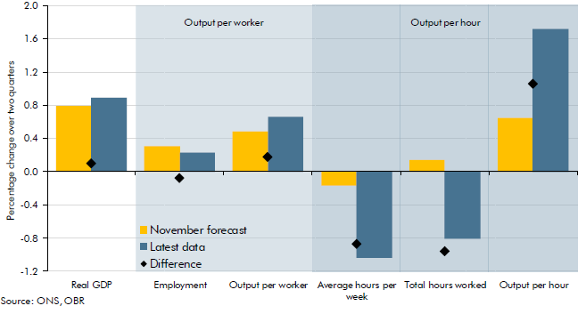

 |  | Percentage change from 2017Q2 to 2017Q4
 |  | November forecast | Latest data | Difference
 | Real GDP | 0.8 | 0.9 | 1385.0
 | Employment | 0.3 | 0.2 | 0.0
 | Output per worker | 0.5 | 0.7 | 0.0
 | Average hours per week | -0.2 | -1.0 | 0.0
 | Total hours worked | 0.1 | -0.8 | 0.0
 | Output per hour | 0.7 | 1.7 | 1.3

C3.20
Back to contents
 | Chart 3.20: Contributions to real household income growth

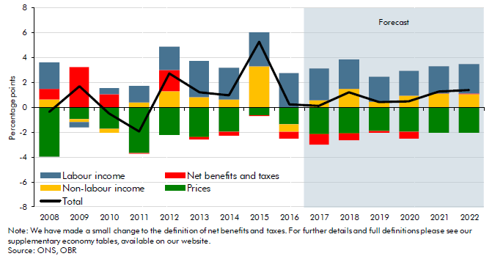

 |  | Labour income | Net benefits and taxes | Non-labour income | Prices | Total
 | 2007 | 3.5 | -0.1 | 1.5 | -2.0 | 2.9
 | 2008 | 2.1 | 0.9 | 0.6 | -4.0 | -0.3
 | 2009 | -0.4 | 3.3 | -0.3 | -0.9 | 1.7
 | 2010 | 0.5 | 1.1 | -0.3 | -1.7 | -0.5
 | 2011 | 1.3 | 0.0 | 0.4 | -3.7 | -2.0
 | 2012 | 1.9 | 1.7 | 1.3 | -2.2 | 2.7
 | 2013 | 2.9 | -0.1 | 0.9 | -2.4 | 1.2
 | 2014 | 2.5 | -0.3 | 0.7 | -2.0 | 1.0
 | 2015 | 2.7 | -0.1 | 3.3 | -0.6 | 5.3
 | 2016 | 2.8 | -0.6 | -0.6 | -1.4 | 0.2
 | 2017 | 2.6 | -0.9 | 0.6 | -2.1 | 0.2
 | 2018 | 2.4 | -0.6 | 1.5 | -2.1 | 1.2
 | 2019 | 2.0 | -0.1 | 0.4 | -1.9 | 0.5
 | 2020 | 2.0 | -0.5 | 0.9 | -2.0 | 0.5
 | 2021 | 2.2 | 0.0 | 1.1 | -2.0 | 1.3
 | 2022 | 2.3 | 0.1 | 1.1 | -2.0 | 1.4

C3.21
Back to contents
 | Chart 3.21: Contributions to real consumption growth

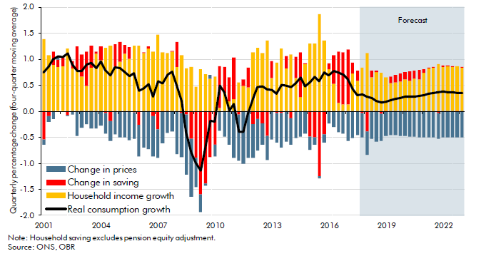

 |  | Change in prices | Household income growth | Change in saving | Real consumption growth
 | 2001Q1 | -0.1 | 1.4 | -0.5 | 0.7
 | 2001Q2 | -0.1 | 1.1 | -0.1 | 0.9
 | 2001Q3 | -0.1 | 0.9 | 0.3 | 1.0
 | 2001Q4 | 0.1 | 0.8 | 0.1 | 1.0
 | 2002Q1 | 0.0 | 0.9 | 0.2 | 1.0
 | 2002Q2 | 0.0 | 1.2 | -0.1 | 1.1
 | 2002Q3 | -0.1 | 0.8 | 0.1 | 0.9
 | 2002Q4 | -0.5 | 0.8 | 0.5 | 0.8
 | 2003Q1 | -0.3 | 0.7 | 0.4 | 0.8
 | 2003Q2 | -0.2 | 0.5 | 0.7 | 0.9
 | 2003Q3 | -0.3 | 0.8 | 0.4 | 0.9
 | 2003Q4 | -0.3 | 1.1 | 0.0 | 0.8
 | 2004Q1 | -0.3 | 1.0 | 0.3 | 1.0
 | 2004Q2 | -0.4 | 1.2 | 0.0 | 0.8
 | 2004Q3 | -0.4 | 1.3 | -0.2 | 0.7
 | 2004Q4 | -0.4 | 0.9 | 0.4 | 0.8
 | 2005Q1 | -0.5 | 0.9 | 0.4 | 0.8
 | 2005Q2 | -0.5 | 1.1 | 0.2 | 0.8
 | 2005Q3 | -0.6 | 1.0 | 0.2 | 0.7
 | 2005Q4 | -0.5 | 1.3 | 0.0 | 0.7
 | 2006Q1 | -0.6 | 1.3 | -0.3 | 0.4
 | 2006Q2 | -0.7 | 1.1 | 0.0 | 0.4
 | 2006Q3 | -0.7 | 1.2 | 0.0 | 0.5
 | 2006Q4 | -0.8 | 1.1 | -0.1 | 0.3
 | 2007Q1 | -0.6 | 1.5 | -0.3 | 0.6
 | 2007Q2 | -0.6 | 1.1 | 0.0 | 0.5
 | 2007Q3 | -0.4 | 1.1 | 0.0 | 0.7
 | 2007Q4 | -0.4 | 1.1 | 0.0 | 0.8
 | 2008Q1 | -0.8 | 0.9 | 0.5 | 0.5
 | 2008Q2 | -0.8 | 1.1 | 0.0 | 0.2
 | 2008Q3 | -1.2 | 0.8 | -0.1 | -0.4
 | 2008Q4 | -1.1 | 0.8 | -0.5 | -0.8
 | 2009Q1 | -0.6 | 0.5 | -0.9 | -1.0
 | 2009Q2 | -0.3 | 0.8 | -1.6 | -1.1
 | 2009Q3 | 0.0 | 0.7 | -1.4 | -0.7
 | 2009Q4 | 0.1 | 0.6 | -0.9 | -0.2
 | 2010Q1 | -0.2 | 0.7 | -0.6 | -0.2
 | 2010Q2 | -0.4 | 0.1 | 0.8 | 0.5
 | 2010Q3 | -0.5 | 0.4 | 0.5 | 0.4
 | 2010Q4 | -0.6 | 0.2 | 0.5 | 0.0
 | 2011Q1 | -0.9 | 0.2 | 0.8 | 0.1
 | 2011Q2 | -0.9 | 0.6 | -0.1 | -0.4
 | 2011Q3 | -1.0 | 0.5 | 0.1 | -0.4
 | 2011Q4 | -0.9 | 0.5 | 0.4 | -0.1
 | 2012Q1 | -0.6 | 1.1 | -0.3 | 0.2
 | 2012Q2 | -0.6 | 1.2 | -0.1 | 0.5
 | 2012Q3 | -0.4 | 1.1 | -0.2 | 0.5
 | 2012Q4 | -0.5 | 1.4 | -0.5 | 0.4
 | 2013Q1 | -0.6 | 0.6 | 0.3 | 0.4
 | 2013Q2 | -0.6 | 0.9 | 0.0 | 0.3
 | 2013Q3 | -0.7 | 1.2 | 0.0 | 0.5
 | 2013Q4 | -0.6 | 0.8 | 0.2 | 0.5
 | 2014Q1 | -0.5 | 1.1 | -0.1 | 0.5
 | 2014Q2 | -0.5 | 0.6 | 0.4 | 0.5
 | 2014Q3 | -0.5 | 0.3 | 0.9 | 0.6
 | 2014Q4 | -0.4 | 0.9 | 0.0 | 0.5
 | 2015Q1 | -0.2 | 1.3 | -0.5 | 0.6
 | 2015Q2 | -0.1 | 1.3 | -0.5 | 0.7
 | 2015Q3 | 0.0 | 1.9 | -1.2 | 0.6
 | 2015Q4 | -0.2 | 1.4 | -0.4 | 0.7
 | 2016Q1 | -0.2 | 0.8 | 0.1 | 0.7
 | 2016Q2 | -0.3 | 0.5 | 0.5 | 0.8
 | 2016Q3 | -0.4 | 0.2 | 1.0 | 0.7
 | 2016Q4 | -0.4 | 0.1 | 1.0 | 0.7
 | 2017Q1 | -0.6 | 0.1 | 1.1 | 0.6
 | 2017Q2 | -0.5 | 0.7 | 0.2 | 0.4
 | 2017Q3 | -0.5 | 0.6 | 0.2 | 0.3
 | 2017Q4 | -0.5 | 0.8 | 0.0 | 0.3
 | 2018Q1 | -0.5 | 1.1 | -0.4 | 0.3
 | 2018Q2 | -0.5 | 0.7 | 0.1 | 0.3
 | 2018Q3 | -0.6 | 0.8 | 0.0 | 0.2
 | 2018Q4 | -0.5 | 0.7 | -0.1 | 0.2
 | 2019Q1 | -0.5 | 0.7 | 0.0 | 0.2
 | 2019Q2 | -0.5 | 0.5 | 0.1 | 0.2
 | 2019Q3 | -0.5 | 0.6 | 0.1 | 0.2
 | 2019Q4 | -0.5 | 0.6 | 0.2 | 0.3
 | 2020Q1 | -0.5 | 0.6 | 0.1 | 0.3
 | 2020Q2 | -0.5 | 0.6 | 0.2 | 0.3
 | 2020Q3 | -0.5 | 0.6 | 0.1 | 0.3
 | 2020Q4 | -0.5 | 0.6 | 0.2 | 0.3
 | 2021Q1 | -0.5 | 0.7 | 0.1 | 0.3
 | 2021Q2 | -0.5 | 0.8 | 0.0 | 0.3
 | 2021Q3 | -0.5 | 0.8 | 0.0 | 0.4
 | 2021Q4 | -0.5 | 0.9 | 0.0 | 0.4
 | 2022Q1 | -0.5 | 0.9 | 0.0 | 0.4
 | 2022Q2 | -0.5 | 0.9 | 0.0 | 0.4
 | 2022Q3 | -0.5 | 0.9 | 0.0 | 0.4
 | 2022Q4 | -0.5 | 0.9 | 0.0 | 0.4
 | 2023Q1 | -0.5 | 0.8 | 0.0 | 0.3

C3.22
Back to contents
 | Chart 3.22: The household saving ratio

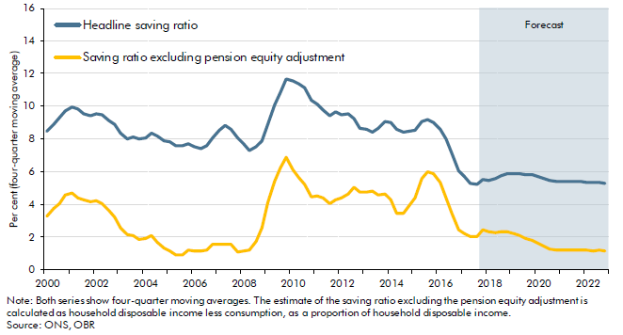

 |  | Headline saving ratio | Saving ratio excluding pension equity adjustment
 | 2000Q1 | 8.5 | 3.3
 | 2000Q2 | 8.9 | 3.7
 | 2000Q3 | 9.3 | 4.1
 | 2000Q4 | 9.7 | 4.6
 | 2001Q1 | 10.0 | 4.7
 | 2001Q2 | 9.8 | 4.4
 | 2001Q3 | 9.5 | 4.3
 | 2001Q4 | 9.4 | 4.1
 | 2002Q1 | 9.5 | 4.2
 | 2002Q2 | 9.5 | 4.1
 | 2002Q3 | 9.1 | 3.6
 | 2002Q4 | 8.9 | 3.2
 | 2003Q1 | 8.3 | 2.6
 | 2003Q2 | 8.0 | 2.2
 | 2003Q3 | 8.1 | 2.1
 | 2003Q4 | 8.0 | 1.9
 | 2004Q1 | 8.1 | 1.9
 | 2004Q2 | 8.4 | 2.1
 | 2004Q3 | 8.2 | 1.7
 | 2004Q4 | 7.9 | 1.3
 | 2005Q1 | 7.8 | 1.1
 | 2005Q2 | 7.6 | 0.9
 | 2005Q3 | 7.6 | 0.9
 | 2005Q4 | 7.7 | 1.2
 | 2006Q1 | 7.5 | 1.2
 | 2006Q2 | 7.4 | 1.1
 | 2006Q3 | 7.6 | 1.2
 | 2006Q4 | 8.1 | 1.5
 | 2007Q1 | 8.6 | 1.6
 | 2007Q2 | 8.9 | 1.6
 | 2007Q3 | 8.6 | 1.5
 | 2007Q4 | 8.1 | 1.1
 | 2008Q1 | 7.7 | 1.1
 | 2008Q2 | 7.3 | 1.2
 | 2008Q3 | 7.5 | 1.7
 | 2008Q4 | 7.9 | 2.6
 | 2009Q1 | 8.9 | 4.1
 | 2009Q2 | 10.1 | 5.4
 | 2009Q3 | 10.9 | 6.2
 | 2009Q4 | 11.7 | 6.8
 | 2010Q1 | 11.6 | 6.1
 | 2010Q2 | 11.4 | 5.6
 | 2010Q3 | 11.1 | 5.2
 | 2010Q4 | 10.4 | 4.5
 | 2011Q1 | 10.1 | 4.5
 | 2011Q2 | 9.8 | 4.4
 | 2011Q3 | 9.4 | 4.0
 | 2011Q4 | 9.7 | 4.3
 | 2012Q1 | 9.5 | 4.4
 | 2012Q2 | 9.6 | 4.6
 | 2012Q3 | 9.3 | 5.0
 | 2012Q4 | 8.7 | 4.7
 | 2013Q1 | 8.6 | 4.8
 | 2013Q2 | 8.4 | 4.8
 | 2013Q3 | 8.6 | 4.5
 | 2013Q4 | 9.1 | 4.7
 | 2014Q1 | 9.0 | 4.3
 | 2014Q2 | 8.6 | 3.5
 | 2014Q3 | 8.4 | 3.4
 | 2014Q4 | 8.5 | 3.9
 | 2015Q1 | 8.5 | 4.4
 | 2015Q2 | 9.1 | 5.6
 | 2015Q3 | 9.2 | 6.0
 | 2015Q4 | 9.0 | 5.9
 | 2016Q1 | 8.6 | 5.3
 | 2016Q2 | 8.0 | 4.4
 | 2016Q3 | 7.1 | 3.4
 | 2016Q4 | 6.1 | 2.4
 | 2017Q1 | 5.7 | 2.2
 | 2017Q2 | 5.3 | 2.0
 | 2017Q3 | 5.2 | 2.0
 | 2017Q4 | 5.5 | 2.4
 | 2018Q1 | 5.5 | 2.3
 | 2018Q2 | 5.6 | 2.3
 | 2018Q3 | 5.8 | 2.3
 | 2018Q4 | 5.9 | 2.3
 | 2019Q1 | 5.9 | 2.2
 | 2019Q2 | 5.9 | 2.1
 | 2019Q3 | 5.8 | 1.9
 | 2019Q4 | 5.8 | 1.8
 | 2020Q1 | 5.7 | 1.6
 | 2020Q2 | 5.6 | 1.5
 | 2020Q3 | 5.5 | 1.3
 | 2020Q4 | 5.4 | 1.2
 | 2021Q1 | 5.4 | 1.2
 | 2021Q2 | 5.4 | 1.2
 | 2021Q3 | 5.4 | 1.2
 | 2021Q4 | 5.4 | 1.2
 | 2022Q1 | 5.3 | 1.2
 | 2022Q2 | 5.3 | 1.2
 | 2022Q3 | 5.3 | 1.2
 | 2022Q4 | 5.3 | 1.2

C3.23
Back to contents
 | Chart 3.23: House price inflation forecast

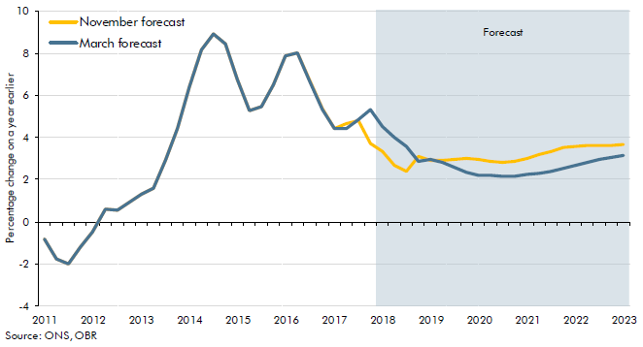

 |  | November forecast | March forecast
 | 2010Q1 | 7.7 | 7.7
 | 2010Q2 | 8.3 | 8.3
 | 2010Q3 | 5.7 | 5.7
 | 2010Q4 | 1.5 | 1.5
 | 2011Q1 | -0.8 | -0.8
 | 2011Q2 | -1.8 | -1.8
 | 2011Q3 | -2.0 | -2.0
 | 2011Q4 | -1.2 | -1.2
 | 2012Q1 | -0.5 | -0.5
 | 2012Q2 | 0.6 | 0.6
 | 2012Q3 | 0.5 | 0.5
 | 2012Q4 | 1.0 | 1.0
 | 2013Q1 | 1.3 | 1.3
 | 2013Q2 | 1.6 | 1.6
 | 2013Q3 | 2.9 | 2.9
 | 2013Q4 | 4.5 | 4.5
 | 2014Q1 | 6.4 | 6.4
 | 2014Q2 | 8.2 | 8.2
 | 2014Q3 | 8.9 | 8.9
 | 2014Q4 | 8.5 | 8.5
 | 2015Q1 | 6.7 | 6.7
 | 2015Q2 | 5.3 | 5.3
 | 2015Q3 | 5.5 | 5.5
 | 2015Q4 | 6.5 | 6.5
 | 2016Q1 | 7.9 | 7.9
 | 2016Q2 | 8.0 | 8.0
 | 2016Q3 | 6.7 | 6.7
 | 2016Q4 | 5.4 | 5.3
 | 2017Q1 | 4.4 | 4.4
 | 2017Q2 | 4.7 | 4.4
 | 2017Q3 | 4.8 | 4.9
 | 2017Q4 | 3.7 | 5.3
 | 2018Q1 | 3.3 | 4.5
 | 2018Q2 | 2.7 | 4.0
 | 2018Q3 | 2.4 | 3.6
 | 2018Q4 | 3.1 | 2.8
 | 2019Q1 | 2.9 | 3.0
 | 2019Q2 | 2.9 | 2.8
 | 2019Q3 | 3.0 | 2.6
 | 2019Q4 | 3.0 | 2.4
 | 2020Q1 | 3.0 | 2.2
 | 2020Q2 | 2.9 | 2.2
 | 2020Q3 | 2.8 | 2.2
 | 2020Q4 | 2.9 | 2.2
 | 2021Q1 | 3.0 | 2.2
 | 2021Q2 | 3.2 | 2.3
 | 2021Q3 | 3.4 | 2.4
 | 2021Q4 | 3.5 | 2.5
 | 2022Q1 | 3.6 | 2.7
 | 2022Q2 | 3.6 | 2.8
 | 2022Q3 | 3.6 | 3.0
 | 2022Q4 | 3.6 | 3.1
 | 2023Q1 | 3.7 | 3.1

C3.24
Back to contents
 | Chart 3.24: Household gross debt to income
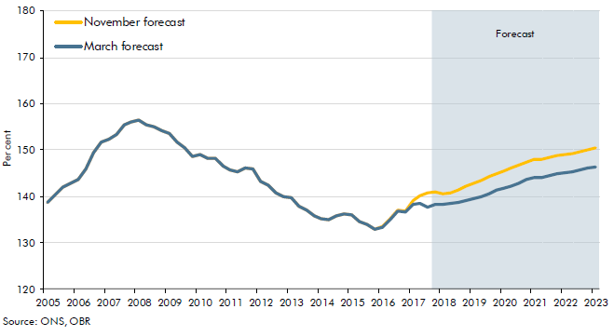

 |  | November forecast | March forecast
 | 2005Q1 | 138.7 | 138.7
 | 2005Q2 | 140.4 | 140.4
 | 2005Q3 | 141.9 | 141.9
 | 2005Q4 | 142.8 | 142.8
 | 2006Q1 | 143.7 | 143.7
 | 2006Q2 | 145.9 | 145.9
 | 2006Q3 | 149.5 | 149.5
 | 2006Q4 | 151.7 | 151.7
 | 2007Q1 | 152.3 | 152.3
 | 2007Q2 | 153.4 | 153.4
 | 2007Q3 | 155.5 | 155.5
 | 2007Q4 | 156.0 | 156.0
 | 2008Q1 | 156.5 | 156.5
 | 2008Q2 | 155.3 | 155.3
 | 2008Q3 | 154.9 | 154.9
 | 2008Q4 | 154.2 | 154.2
 | 2009Q1 | 153.7 | 153.7
 | 2009Q2 | 151.8 | 151.8
 | 2009Q3 | 150.4 | 150.4
 | 2009Q4 | 148.7 | 148.7
 | 2010Q1 | 149.0 | 149.0
 | 2010Q2 | 148.1 | 148.1
 | 2010Q3 | 148.2 | 148.2
 | 2010Q4 | 146.6 | 146.6
 | 2011Q1 | 145.6 | 145.6
 | 2011Q2 | 145.3 | 145.3
 | 2011Q3 | 146.2 | 146.2
 | 2011Q4 | 145.9 | 145.9
 | 2012Q1 | 143.3 | 143.3
 | 2012Q2 | 142.5 | 142.5
 | 2012Q3 | 140.8 | 140.8
 | 2012Q4 | 139.9 | 139.9
 | 2013Q1 | 139.7 | 139.7
 | 2013Q2 | 137.9 | 137.9
 | 2013Q3 | 137.0 | 137.0
 | 2013Q4 | 135.8 | 135.8
 | 2014Q1 | 135.1 | 135.1
 | 2014Q2 | 135.0 | 135.0
 | 2014Q3 | 135.9 | 135.9
 | 2014Q4 | 136.3 | 136.3
 | 2015Q1 | 136.0 | 136.0
 | 2015Q2 | 134.6 | 134.6
 | 2015Q3 | 133.9 | 133.9
 | 2015Q4 | 132.8 | 132.8
 | 2016Q1 | 133.5 | 133.4
 | 2016Q2 | 135.1 | 135.0
 | 2016Q3 | 137.0 | 136.8
 | 2016Q4 | 136.8 | 136.7
 | 2017Q1 | 139.0 | 138.2
 | 2017Q2 | 140.0 | 138.4
 | 2017Q3 | 140.7 | 137.7
 | 2017Q4 | 140.9 | 138.3
 | 2018Q1 | 140.6 | 138.2
 | 2018Q2 | 140.8 | 138.4
 | 2018Q3 | 141.4 | 138.8
 | 2018Q4 | 142.2 | 139.1
 | 2019Q1 | 142.9 | 139.5
 | 2019Q2 | 143.3 | 139.9
 | 2019Q3 | 144.2 | 140.6
 | 2019Q4 | 144.9 | 141.3
 | 2020Q1 | 145.6 | 141.8
 | 2020Q2 | 146.1 | 142.3
 | 2020Q3 | 146.8 | 142.9
 | 2020Q4 | 147.4 | 143.6
 | 2021Q1 | 147.9 | 144.0
 | 2021Q2 | 148.1 | 144.2
 | 2021Q3 | 148.5 | 144.6
 | 2021Q4 | 148.8 | 144.9
 | 2022Q1 | 149.1 | 145.1
 | 2022Q2 | 149.2 | 145.3
 | 2022Q3 | 149.6 | 145.7
 | 2022Q4 | 150.0 | 146.0
 | 2023Q1 | 150.4 | 146.4

C3.25
Back to contents
 | Chart 3.25: Real business investment as a share of real GDP

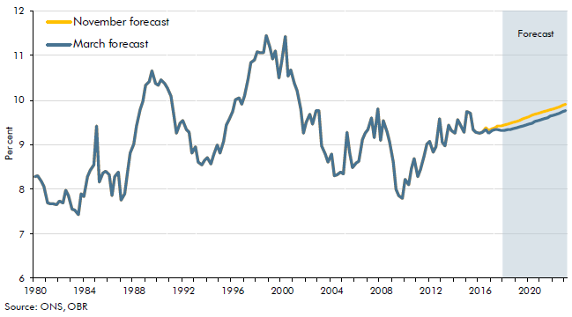

 |  | November forecast | March forecast
 | 1980Q1 | 8.3 | 8.3
 | 1980Q2 | 8.3 | 8.3
 | 1980Q3 | 8.2 | 8.2
 | 1980Q4 | 8.1 | 8.1
 | 1981Q1 | 7.7 | 7.7
 | 1981Q2 | 7.7 | 7.7
 | 1981Q3 | 7.7 | 7.7
 | 1981Q4 | 7.6 | 7.6
 | 1982Q1 | 7.7 | 7.7
 | 1982Q2 | 7.7 | 7.7
 | 1982Q3 | 8.0 | 8.0
 | 1982Q4 | 7.9 | 7.9
 | 1983Q1 | 7.6 | 7.6
 | 1983Q2 | 7.5 | 7.5
 | 1983Q3 | 7.4 | 7.4
 | 1983Q4 | 7.9 | 7.9
 | 1984Q1 | 7.8 | 7.8
 | 1984Q2 | 8.3 | 8.3
 | 1984Q3 | 8.4 | 8.4
 | 1984Q4 | 8.6 | 8.6
 | 1985Q1 | 9.4 | 9.4
 | 1985Q2 | 8.2 | 8.2
 | 1985Q3 | 8.4 | 8.4
 | 1985Q4 | 8.4 | 8.4
 | 1986Q1 | 8.3 | 8.3
 | 1986Q2 | 7.9 | 7.9
 | 1986Q3 | 8.3 | 8.3
 | 1986Q4 | 8.4 | 8.4
 | 1987Q1 | 7.8 | 7.8
 | 1987Q2 | 7.9 | 7.9
 | 1987Q3 | 8.4 | 8.4
 | 1987Q4 | 8.8 | 8.8
 | 1988Q1 | 9.0 | 9.0
 | 1988Q2 | 9.4 | 9.4
 | 1988Q3 | 9.8 | 9.8
 | 1988Q4 | 10.0 | 10.0
 | 1989Q1 | 10.3 | 10.3
 | 1989Q2 | 10.4 | 10.4
 | 1989Q3 | 10.7 | 10.7
 | 1989Q4 | 10.4 | 10.4
 | 1990Q1 | 10.3 | 10.3
 | 1990Q2 | 10.5 | 10.5
 | 1990Q3 | 10.4 | 10.4
 | 1990Q4 | 10.3 | 10.3
 | 1991Q1 | 10.1 | 10.1
 | 1991Q2 | 9.7 | 9.7
 | 1991Q3 | 9.3 | 9.3
 | 1991Q4 | 9.5 | 9.5
 | 1992Q1 | 9.5 | 9.5
 | 1992Q2 | 9.3 | 9.3
 | 1992Q3 | 9.3 | 9.3
 | 1992Q4 | 8.8 | 8.8
 | 1993Q1 | 9.0 | 9.0
 | 1993Q2 | 8.6 | 8.6
 | 1993Q3 | 8.5 | 8.5
 | 1993Q4 | 8.7 | 8.7
 | 1994Q1 | 8.7 | 8.7
 | 1994Q2 | 8.6 | 8.6
 | 1994Q3 | 8.8 | 8.8
 | 1994Q4 | 9.0 | 9.0
 | 1995Q1 | 8.8 | 8.8
 | 1995Q2 | 9.1 | 9.1
 | 1995Q3 | 9.4 | 9.4
 | 1995Q4 | 9.6 | 9.6
 | 1996Q1 | 9.8 | 9.8
 | 1996Q2 | 10.0 | 10.0
 | 1996Q3 | 10.0 | 10.0
 | 1996Q4 | 9.9 | 9.9
 | 1997Q1 | 10.1 | 10.1
 | 1997Q2 | 10.5 | 10.5
 | 1997Q3 | 10.8 | 10.8
 | 1997Q4 | 10.9 | 10.9
 | 1998Q1 | 11.1 | 11.1
 | 1998Q2 | 11.1 | 11.1
 | 1998Q3 | 11.1 | 11.1
 | 1998Q4 | 11.5 | 11.5
 | 1999Q1 | 11.2 | 11.2
 | 1999Q2 | 10.9 | 10.9
 | 1999Q3 | 11.1 | 11.1
 | 1999Q4 | 10.5 | 10.5
 | 2000Q1 | 10.9 | 10.9
 | 2000Q2 | 11.4 | 11.4
 | 2000Q3 | 10.5 | 10.5
 | 2000Q4 | 10.7 | 10.7
 | 2001Q1 | 10.4 | 10.4
 | 2001Q2 | 10.2 | 10.2
 | 2001Q3 | 9.8 | 9.8
 | 2001Q4 | 9.3 | 9.3
 | 2002Q1 | 9.5 | 9.5
 | 2002Q2 | 9.7 | 9.7
 | 2002Q3 | 9.5 | 9.5
 | 2002Q4 | 9.8 | 9.8
 | 2003Q1 | 9.8 | 9.8
 | 2003Q2 | 9.0 | 9.0
 | 2003Q3 | 8.8 | 8.8
 | 2003Q4 | 8.6 | 8.6
 | 2004Q1 | 8.8 | 8.8
 | 2004Q2 | 8.3 | 8.3
 | 2004Q3 | 8.3 | 8.3
 | 2004Q4 | 8.4 | 8.4
 | 2005Q1 | 8.3 | 8.3
 | 2005Q2 | 9.3 | 9.3
 | 2005Q3 | 8.8 | 8.8
 | 2005Q4 | 8.5 | 8.5
 | 2006Q1 | 8.6 | 8.6
 | 2006Q2 | 8.6 | 8.6
 | 2006Q3 | 9.1 | 9.1
 | 2006Q4 | 9.3 | 9.3
 | 2007Q1 | 9.3 | 9.3
 | 2007Q2 | 9.6 | 9.6
 | 2007Q3 | 9.2 | 9.2
 | 2007Q4 | 9.8 | 9.8
 | 2008Q1 | 9.1 | 9.1
 | 2008Q2 | 9.5 | 9.5
 | 2008Q3 | 9.3 | 9.3
 | 2008Q4 | 9.0 | 9.0
 | 2009Q1 | 8.6 | 8.6
 | 2009Q2 | 8.0 | 8.0
 | 2009Q3 | 7.9 | 7.9
 | 2009Q4 | 7.8 | 7.8
 | 2010Q1 | 8.2 | 8.2
 | 2010Q2 | 8.1 | 8.1
 | 2010Q3 | 8.5 | 8.5
 | 2010Q4 | 8.7 | 8.7
 | 2011Q1 | 8.3 | 8.3
 | 2011Q2 | 8.4 | 8.4
 | 2011Q3 | 8.7 | 8.7
 | 2011Q4 | 9.0 | 9.0
 | 2012Q1 | 9.1 | 9.1
 | 2012Q2 | 8.8 | 8.8
 | 2012Q3 | 9.0 | 9.0
 | 2012Q4 | 9.6 | 9.6
 | 2013Q1 | 9.1 | 9.1
 | 2013Q2 | 9.0 | 9.0
 | 2013Q3 | 9.4 | 9.4
 | 2013Q4 | 9.3 | 9.3
 | 2014Q1 | 9.3 | 9.3
 | 2014Q2 | 9.6 | 9.6
 | 2014Q3 | 9.4 | 9.4
 | 2014Q4 | 9.3 | 9.3
 | 2015Q1 | 9.7 | 9.7
 | 2015Q2 | 9.7 | 9.7
 | 2015Q3 | 9.3 | 9.3
 | 2015Q4 | 9.3 | 9.3
 | 2016Q1 | 9.3 | 9.3
 | 2016Q2 | 9.3 | 9.3
 | 2016Q3 | 9.4 | 9.3
 | 2016Q4 | 9.3 | 9.3
 | 2017Q1 | 9.4 | 9.3
 | 2017Q2 | 9.4 | 9.3
 | 2017Q3 | 9.4 | 9.3
 | 2017Q4 | 9.4 | 9.3
 | 2018Q1 | 9.4 | 9.3
 | 2018Q2 | 9.5 | 9.3
 | 2018Q3 | 9.5 | 9.4
 | 2018Q4 | 9.5 | 9.4
 | 2019Q1 | 9.5 | 9.4
 | 2019Q2 | 9.6 | 9.4
 | 2019Q3 | 9.6 | 9.4
 | 2019Q4 | 9.6 | 9.4
 | 2020Q1 | 9.6 | 9.5
 | 2020Q2 | 9.7 | 9.5
 | 2020Q3 | 9.7 | 9.5
 | 2020Q4 | 9.7 | 9.5
 | 2021Q1 | 9.7 | 9.6
 | 2021Q2 | 9.8 | 9.6
 | 2021Q3 | 9.8 | 9.6
 | 2021Q4 | 9.8 | 9.6
 | 2022Q1 | 9.8 | 9.7
 | 2022Q2 | 9.8 | 9.7
 | 2022Q3 | 9.9 | 9.7
 | 2022Q4 | 9.9 | 9.7
 | 2023Q1 | 9.9 | 9.8

C3.26
Back to contents
 | Chart 3.26: General government consumption

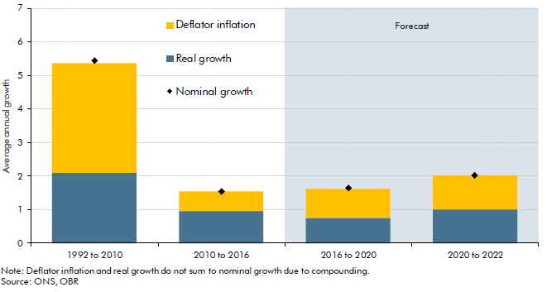

 |  | Deflator inflation | Real growth | Nominal growth
 | 1992 to 2010 | 3.3 | 2.1 | 5.4
 | 2010 to 2016 | 0.6 | 0.9 | 1.5
 | 2016 to 2020 | 0.9 | 0.7 | 1.6
 | 2020 to 2022 | 1.0 | 1.0 | 2.0

C3.27
Back to contents
 | Chart 3.27: Net trade contributions to real GDP

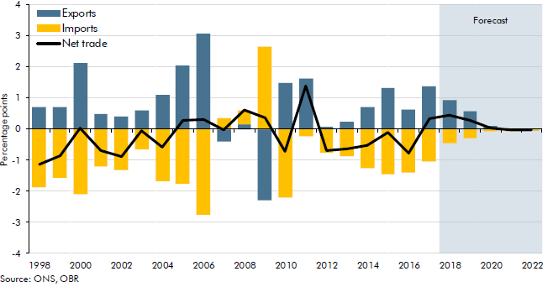

 |  | Exports | Imports | Net trade
 | 1998 | 0.7 | -1.9 | -1.1
 | 1999 | 0.7 | -1.6 | -0.9
 | 2000 | 2.1 | -2.1 | 0.0
 | 2001 | 0.5 | -1.2 | -0.7
 | 2002 | 0.4 | -1.3 | -0.9
 | 2003 | 0.6 | -0.6 | -0.1
 | 2004 | 1.1 | -1.7 | -0.6
 | 2005 | 2.0 | -1.8 | 0.3
 | 2006 | 3.1 | -2.8 | 0.3
 | 2007 | -0.4 | 0.4 | 0.0
 | 2008 | 0.2 | 0.5 | 0.6
 | 2009 | -2.3 | 2.7 | 0.4
 | 2010 | 1.5 | -2.2 | -0.7
 | 2011 | 1.6 | -0.2 | 1.4
 | 2012 | 0.1 | -0.7 | -0.7
 | 2013 | 0.2 | -0.9 | -0.6
 | 2014 | 0.7 | -1.2 | -0.5
 | 2015 | 1.3 | -1.4 | -0.1
 | 2016 | 0.6 | -1.4 | -0.8
 | 2017 | 1.4 | -1.0 | 0.3
 | 2018 | 0.9 | -0.5 | 0.5
 | 2019 | 0.6 | -0.3 | 0.3
 | 2020 | 0.1 | -0.1 | 0.0
 | 2021 | 0.0 | 0.0 | 0.0
 | 2022 | 0.0 | 0.0 | 0.0

C3.28
Back to contents
 | Chart 3.28: Current account balance

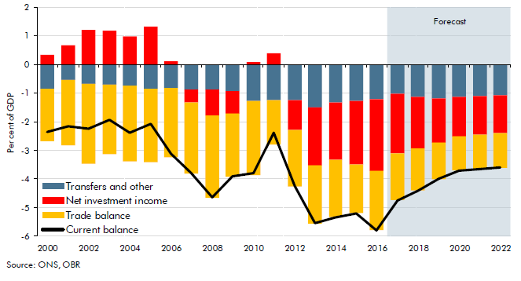

 |  | Transfers and other | Trade balance | Net investment income | Current balance
 | 2000 | -0.8 | -1.8 | 0.3 | -2.4
 | 2001 | -0.5 | -2.3 | 0.7 | -2.1
 | 2002 | -0.7 | -2.8 | 1.2 | -2.2
 | 2003 | -0.7 | -2.4 | 1.2 | -1.9
 | 2004 | -0.7 | -2.6 | 1.0 | -2.4
 | 2005 | -0.8 | -2.6 | 1.3 | -2.1
 | 2006 | -0.8 | -2.4 | 0.1 | -3.1
 | 2007 | -0.9 | -2.5 | -0.5 | -3.8
 | 2008 | -0.9 | -2.9 | -0.9 | -4.6
 | 2009 | -0.9 | -2.2 | -0.8 | -3.9
 | 2010 | -1.3 | -2.6 | 0.1 | -3.8
 | 2011 | -1.2 | -1.5 | 0.4 | -2.4
 | 2012 | -1.2 | -2.0 | -1.0 | -4.2
 | 2013 | -1.5 | -2.0 | -2.0 | -5.5
 | 2014 | -1.3 | -2.0 | -2.0 | -5.3
 | 2015 | -1.3 | -1.7 | -2.2 | -5.2
 | 2016 | -1.2 | -2.1 | -2.5 | -5.8
 | 2017 | -1.0 | -1.7 | -2.1 | -4.7
 | 2018 | -1.1 | -1.5 | -1.8 | -4.4
 | 2019 | -1.2 | -1.3 | -1.5 | -4.0
 | 2020 | -1.1 | -1.2 | -1.4 | -3.7
 | 2021 | -1.1 | -1.2 | -1.4 | -3.6
 | 2022 | -1.1 | -1.2 | -1.3 | -3.6

C3.29
Back to contents
 | Chart 3.29: Sectoral net lending

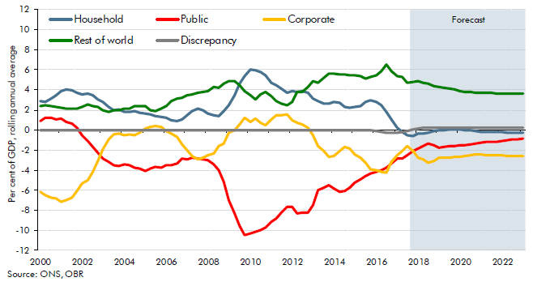

 |  | Household | Corporate | Public | Rest of world | Discrepancy
 | 2000Q1 | 2.8 | -6.2 | 0.9 | 2.4 | 0.0
 | 2000Q2 | 2.8 | -6.5 | 1.2 | 2.4 | 0.0
 | 2000Q3 | 3.1 | -6.7 | 1.2 | 2.4 | 0.0
 | 2000Q4 | 3.5 | -6.9 | 1.1 | 2.3 | 0.0
 | 2001Q1 | 3.9 | -7.2 | 1.1 | 2.2 | 0.0
 | 2001Q2 | 4.1 | -7.0 | 0.8 | 2.2 | 0.0
 | 2001Q3 | 4.0 | -6.8 | 0.6 | 2.2 | 0.0
 | 2001Q4 | 3.7 | -6.1 | 0.2 | 2.1 | 0.0
 | 2002Q1 | 3.6 | -5.3 | -0.5 | 2.3 | 0.0
 | 2002Q2 | 3.6 | -5.0 | -1.1 | 2.5 | 0.0
 | 2002Q3 | 3.5 | -4.1 | -1.7 | 2.4 | 0.0
 | 2002Q4 | 3.0 | -3.1 | -2.2 | 2.3 | 0.0
 | 2003Q1 | 2.8 | -1.9 | -2.9 | 2.0 | 0.0
 | 2003Q2 | 2.3 | -0.9 | -3.2 | 1.8 | 0.0
 | 2003Q3 | 1.9 | -0.4 | -3.5 | 2.0 | 0.0
 | 2003Q4 | 2.0 | -0.4 | -3.6 | 1.9 | 0.0
 | 2004Q1 | 1.8 | -0.5 | -3.4 | 2.2 | 0.0
 | 2004Q2 | 1.8 | -0.4 | -3.5 | 2.2 | 0.0
 | 2004Q3 | 1.9 | -0.6 | -3.7 | 2.4 | 0.0
 | 2004Q4 | 1.7 | -0.3 | -3.8 | 2.4 | 0.0
 | 2005Q1 | 1.6 | 0.1 | -4.1 | 2.4 | 0.0
 | 2005Q2 | 1.6 | 0.3 | -3.8 | 2.0 | 0.0
 | 2005Q3 | 1.4 | 0.4 | -3.6 | 1.8 | 0.0
 | 2005Q4 | 1.3 | 0.3 | -3.8 | 2.1 | 0.0
 | 2006Q1 | 1.3 | -0.1 | -3.5 | 2.3 | 0.0
 | 2006Q2 | 1.0 | -0.3 | -3.5 | 2.9 | 0.0
 | 2006Q3 | 0.9 | -0.7 | -3.3 | 3.1 | 0.0
 | 2006Q4 | 1.1 | -1.4 | -2.9 | 3.2 | 0.0
 | 2007Q1 | 1.5 | -2.0 | -2.9 | 3.5 | 0.0
 | 2007Q2 | 1.9 | -2.6 | -2.8 | 3.5 | 0.0
 | 2007Q3 | 2.1 | -3.0 | -2.9 | 3.7 | 0.0
 | 2007Q4 | 2.0 | -2.8 | -3.0 | 3.8 | 0.0
 | 2008Q1 | 1.7 | -2.5 | -3.0 | 3.9 | 0.0
 | 2008Q2 | 1.5 | -2.3 | -3.4 | 4.3 | 0.0
 | 2008Q3 | 1.4 | -1.6 | -4.0 | 4.2 | 0.0
 | 2008Q4 | 1.8 | -1.3 | -5.1 | 4.6 | 0.0
 | 2009Q1 | 2.4 | -0.3 | -7.0 | 4.9 | 0.0
 | 2009Q2 | 3.5 | 0.0 | -8.4 | 4.9 | 0.0
 | 2009Q3 | 4.6 | 0.5 | -9.6 | 4.4 | 0.0
 | 2009Q4 | 5.3 | 1.3 | -10.5 | 3.9 | 0.0
 | 2010Q1 | 6.0 | 0.8 | -10.3 | 3.5 | 0.0
 | 2010Q2 | 6.0 | 1.1 | -10.1 | 3.0 | 0.0
 | 2010Q3 | 5.7 | 0.7 | -10.0 | 3.5 | 0.0
 | 2010Q4 | 5.4 | 0.5 | -9.7 | 3.8 | 0.0
 | 2011Q1 | 4.7 | 1.0 | -9.1 | 3.4 | 0.0
 | 2011Q2 | 4.4 | 1.5 | -8.8 | 2.8 | 0.0
 | 2011Q3 | 4.1 | 1.5 | -8.2 | 2.7 | 0.0
 | 2011Q4 | 3.7 | 1.5 | -7.7 | 2.4 | 0.0
 | 2012Q1 | 3.9 | 1.0 | -7.7 | 2.8 | 0.0
 | 2012Q2 | 3.8 | 0.7 | -8.3 | 3.8 | 0.0
 | 2012Q3 | 3.9 | 0.5 | -8.2 | 3.8 | 0.0
 | 2012Q4 | 3.7 | 0.2 | -8.2 | 4.3 | 0.0
 | 2013Q1 | 3.1 | -0.5 | -7.5 | 4.9 | 0.0
 | 2013Q2 | 2.9 | -1.6 | -6.0 | 4.7 | 0.0
 | 2013Q3 | 2.7 | -2.1 | -5.7 | 5.2 | 0.0
 | 2013Q4 | 2.6 | -2.7 | -5.5 | 5.6 | 0.0
 | 2014Q1 | 2.8 | -2.6 | -5.8 | 5.6 | 0.0
 | 2014Q2 | 2.7 | -2.1 | -6.2 | 5.6 | 0.0
 | 2014Q3 | 2.3 | -1.7 | -6.1 | 5.5 | 0.0
 | 2014Q4 | 2.2 | -1.9 | -5.8 | 5.4 | 0.0
 | 2015Q1 | 2.3 | -2.4 | -5.3 | 5.4 | 0.0
 | 2015Q2 | 2.3 | -2.8 | -4.9 | 5.3 | 0.0
 | 2015Q3 | 2.8 | -3.3 | -4.6 | 5.1 | 0.0
 | 2015Q4 | 3.0 | -3.9 | -4.4 | 5.3 | 0.0
 | 2016Q1 | 2.8 | -4.0 | -4.2 | 5.5 | -0.1
 | 2016Q2 | 2.5 | -4.2 | -4.0 | 5.9 | -0.2
 | 2016Q3 | 1.8 | -4.3 | -3.8 | 6.5 | -0.2
 | 2016Q4 | 1.0 | -3.2 | -3.4 | 5.9 | -0.3
 | 2017Q1 | 0.2 | -2.5 | -2.8 | 5.4 | -0.3
 | 2017Q2 | -0.2 | -2.1 | -2.8 | 5.3 | -0.2
 | 2017Q3 | -0.5 | -1.6 | -2.5 | 4.7 | -0.1
 | 2017Q4 | -0.6 | -2.1 | -2.1 | 4.8 | 0.0
 | 2018Q1 | -0.4 | -2.8 | -1.9 | 4.9 | 0.1
 | 2018Q2 | -0.4 | -2.9 | -1.6 | 4.7 | 0.2
 | 2018Q3 | -0.2 | -3.3 | -1.4 | 4.6 | 0.2
 | 2018Q4 | -0.1 | -3.1 | -1.5 | 4.4 | 0.2
 | 2019Q1 | 0.0 | -2.7 | -1.7 | 4.3 | 0.2
 | 2019Q2 | 0.0 | -2.7 | -1.7 | 4.2 | 0.2
 | 2019Q3 | 0.0 | -2.7 | -1.6 | 4.1 | 0.2
 | 2019Q4 | 0.1 | -2.7 | -1.6 | 4.0 | 0.2
 | 2020Q1 | 0.1 | -2.7 | -1.6 | 3.9 | 0.2
 | 2020Q2 | 0.0 | -2.6 | -1.5 | 3.8 | 0.2
 | 2020Q3 | 0.0 | -2.5 | -1.4 | 3.8 | 0.2
 | 2020Q4 | -0.1 | -2.4 | -1.4 | 3.7 | 0.2
 | 2021Q1 | -0.2 | -2.5 | -1.3 | 3.7 | 0.2
 | 2021Q2 | -0.2 | -2.5 | -1.2 | 3.7 | 0.2
 | 2021Q3 | -0.2 | -2.5 | -1.2 | 3.7 | 0.2
 | 2021Q4 | -0.2 | -2.5 | -1.1 | 3.7 | 0.2
 | 2022Q1 | -0.2 | -2.5 | -1.1 | 3.7 | 0.2
 | 2022Q2 | -0.2 | -2.6 | -1.0 | 3.6 | 0.2
 | 2022Q3 | -0.3 | -2.6 | -1.0 | 3.6 | 0.2
 | 2022Q4 | -0.3 | -2.6 | -0.9 | 3.6 | 0.2
 | 2023Q1 | -0.3 | -2.6 | -0.9 | 3.6 | 0.2

C3.30
Back to contents
 | Chart 3.30: Forecasts for cumulative GDP growth in 2008 and 2009 in March 2008
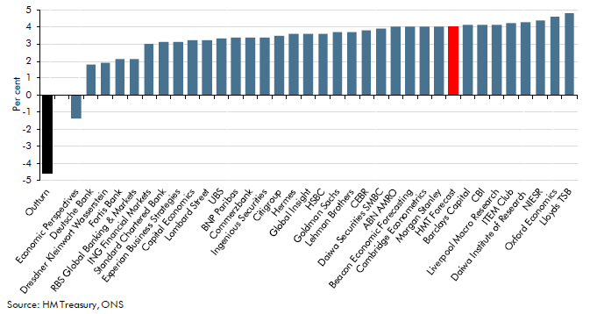

 | Outturn | -4.6
 | Economic Perspectives | -1.4
 | Deutsche Bank | 1.8
 | Dresdner Kleinwort Wasserstein | 1.9
 | Fortis Bank | 2.1
 | RBS Global Banking & Markets | 2.1
 | ING Financial Markets | 3.0
 | Standard Chartered Bank | 3.1
 | Experian Business Strategies | 3.1
 | Capital Economics | 3.2
 | Lombard Street | 3.2
 | UBS | 3.3
 | BNP Paribas | 3.4
 | Commerzbank | 3.4
 | Ingenious Securities | 3.4
 | Citigroup | 3.5
 | Hermes | 3.6
 | Global Insight | 3.6
 | HSBC | 3.6
 | Goldman Sachs | 3.7
 | Lehman Brothers | 3.7
 | CEBR | 3.8
 | Daiwa Securities SMBC | 3.9
 | ABN AMRO | 4.0
 | Beacon Economic Forecasting | 4.0
 | Cambridge Econometrics | 4.0
 | Morgan Stanley | 4.0
 | HMT Forecast | 4.0
 | Barclays Capital | 4.1
 | CBI | 4.1
 | Liverpool Macro Research | 4.1
 | ITEM Club | 4.2
 | Daiwa Institute of Research | 4.3
 | NIESR | 4.4
 | Oxford Economics | 4.6
 | Lloyds TSB | 4.8

C3.31
Back to contents
 | Chart 3.31: Comparison of forecasts for the level of GDP projections

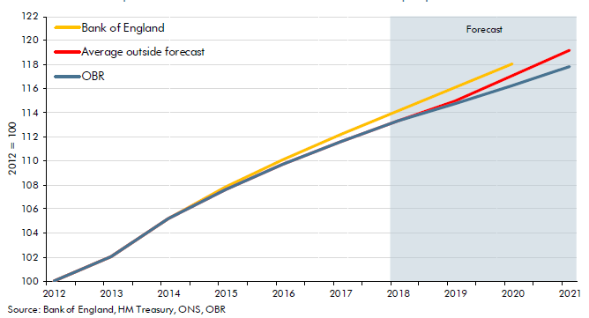

 |  | OBR | Bank of England | Average of outside forecasts
 | 2012 | 100.0 | 100.0 | 100.0
 | 2013 | 102.1 | 102.1 | 102.1
 | 2014 | 105.2 | 105.2 | 105.2
 | 2015 | 107.6 | 107.8 | 107.6
 | 2016 | 109.7 | 110.1 | 109.7
 | 2017 | 111.6 | 112.2 | 111.6
 | 2018 | 113.3 | 114.2 | 113.3
 | 2019 | 114.8 | 116.1 | 115.0
 | 2020 | 116.2 | 118.1 | 117.1
 | 2021 | 117.8 |  | 119.2

